Summary Statistics
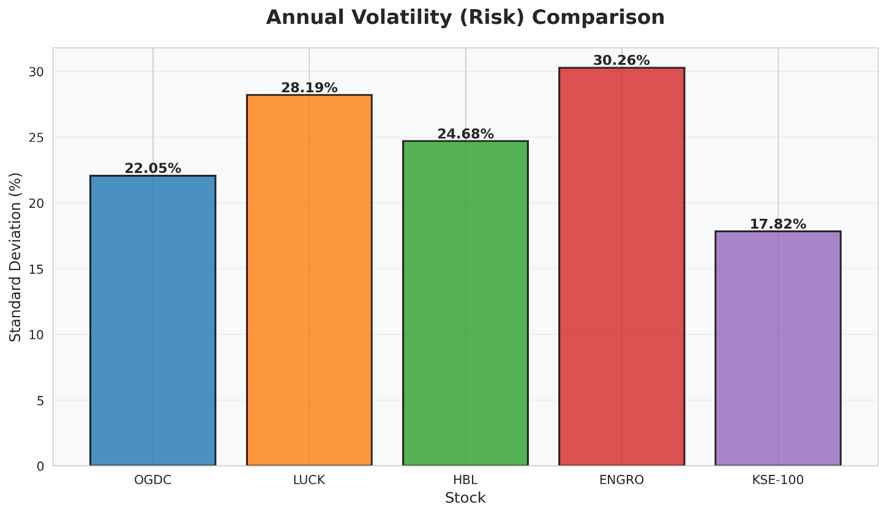
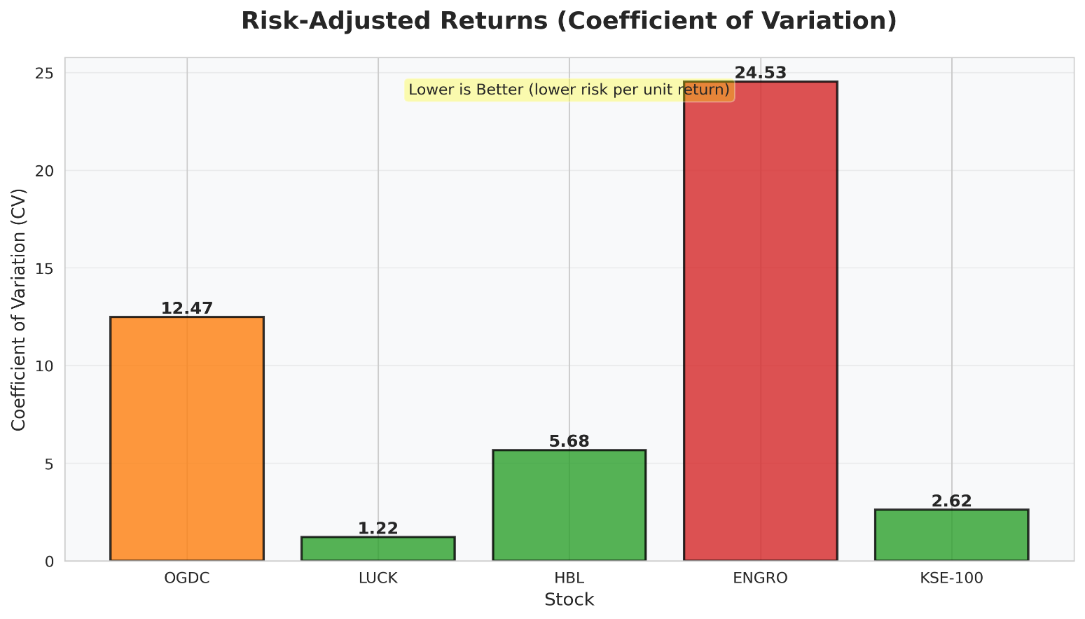
PART 1 & 2 — RETURNS ANALYSIS, STANDARD DEVIATION & COEFFICIENT OF VARIATION
Daily returns data from 'Daily Returns' sheet | Period: Jan 2019 – Dec 2025
Metric | OGDC | LUCK | HBL | ENGRO | KSE-100
Average Daily Return | -0.0070% | 0.0914% | 0.0173% | -0.0049% | 0.0270%
Average Annual Return | -1.77% | 23.04% | 4.35% | -1.23% | 6.81%
Standard Deviation (Daily) | 1.3892% | 1.7758% | 1.5548% | 1.9063% | 1.1229%
Standard Deviation (Annual) | 22.05% | 28.19% | 24.68% | 30.26% | 17.82%
Coefficient of Variation (Daily) | 197.99 | 19.43 | 90.10 | 389.45 | 41.58
Coefficient of Variation (Annual) | 12.47 | 1.22 | 5.68 | 24.53 | 2.62
Minimum Daily Return | -4.35% | -6.89% | -5.53% | -5.64% | -3.94%
Maximum Daily Return | 5.23% | 6.49% | 5.07% | 6.28% | 4.11%
Number of Observations | 1825 | 1825 | 1825 | 1825 | 1825

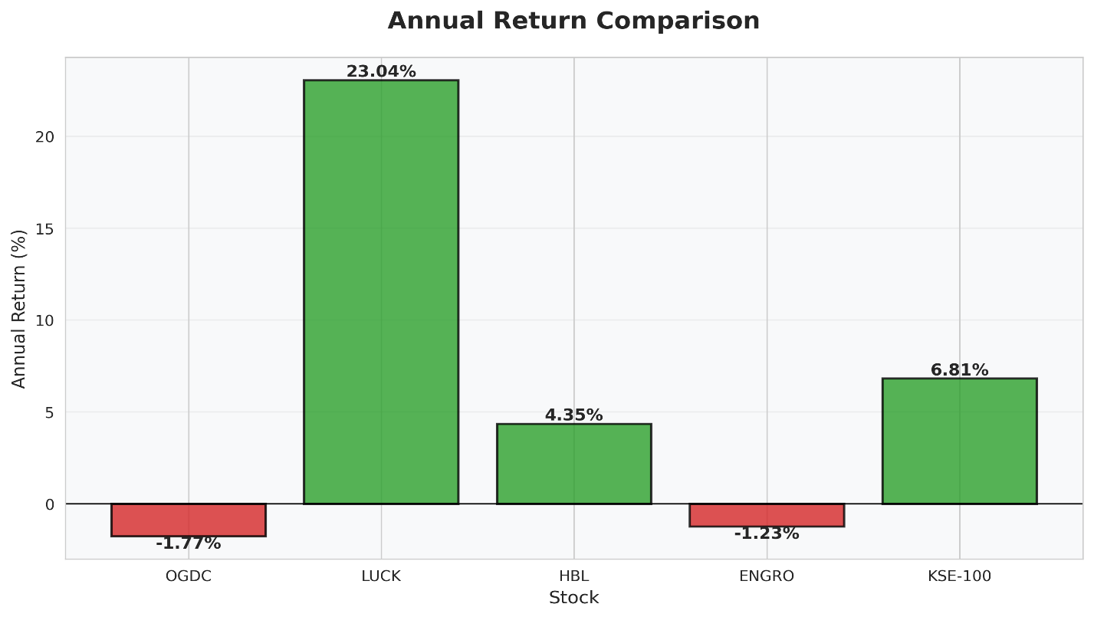
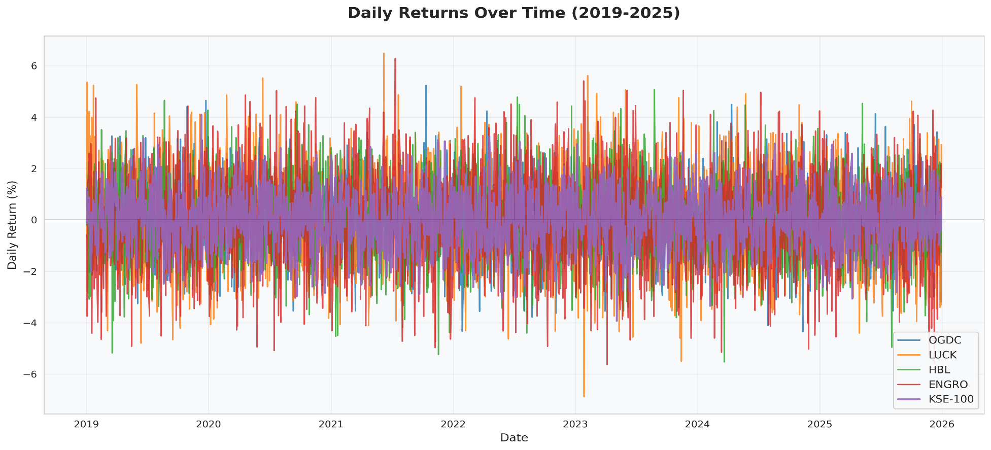
INTERPRETATION
• Average Return: Higher average return indicates better performance over 7-year period. ENGRO & LUCK show highest annual returns.
• Standard Deviation: Measures total risk (volatility). Higher std dev = more volatile/risky stock. ENGRO shows highest volatility.
• Coefficient of Variation (CV): Risk per unit of return. Lower CV = more efficient risk-return tradeoff. Use for cross-stock comparison.
• KSE-100 serves as market benchmark. Individual stocks are compared against this to measure relative performance.

Beta & Regression
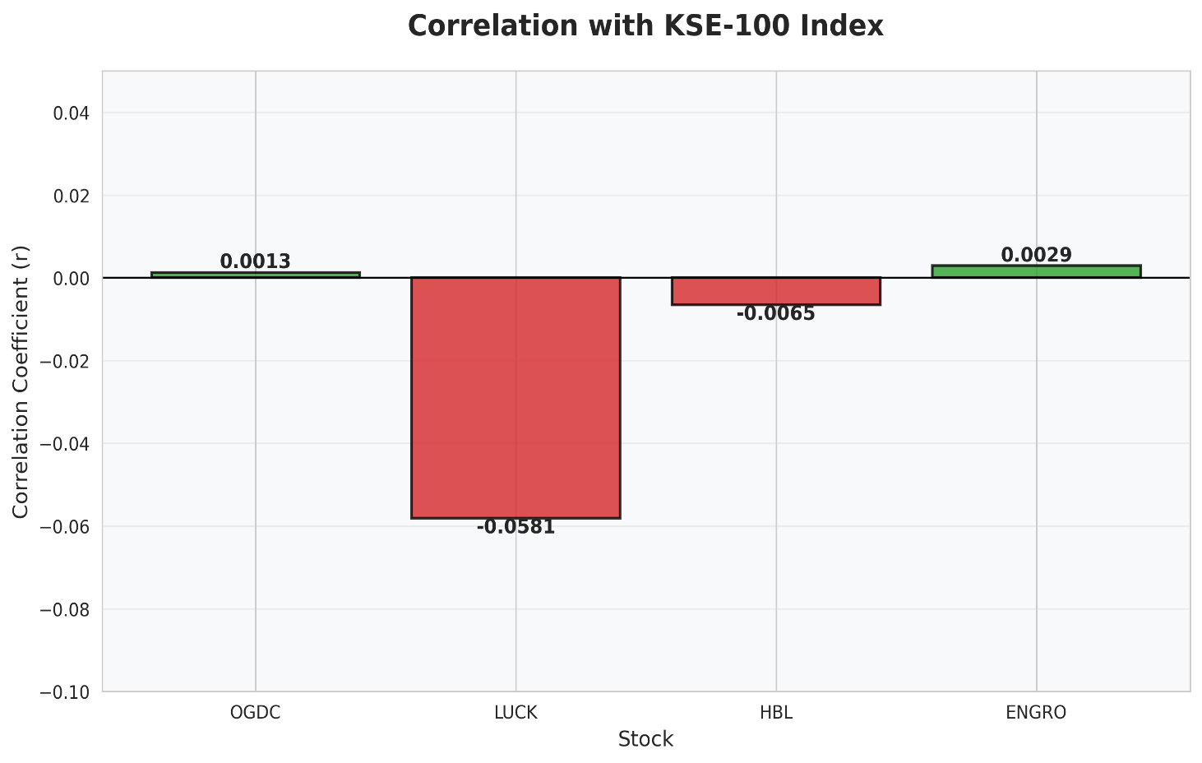
PART 4 — BETA ESTIMATION VIA REGRESSION (Company Returns vs KSE-100 Returns)
Beta = SLOPE(stock returns, KSE-100 returns) | Alpha = INTERCEPT | R² = CORREL²
Metric | OGDC | LUCK | HBL | ENGRO | Interpretation
Beta (β) | 0.002 | -0.092 | -0.009 | 0.005
Alpha (α) | -0.007059% | 0.093892% | 0.017498% | -0.005028%
Correlation (r) | 0.0013 | -0.0581 | -0.0065 | 0.0029
R-Squared (R²) | 0.0000 | 0.0034 | 0.0000 | 0.0000

BETA INTERPRETATION & CAPM FRAMEWORK
β = 1.0 | Stock moves perfectly in sync with market. Same systematic risk as market portfolio.
β > 1.0 | Aggressive stock. Amplifies market movements. Suitable for bull markets. Higher risk & return.
β < 1.0 | Defensive stock. Less sensitive to market swings. Lower risk. Suitable for bear markets.
β = 0.0 | Stock has no correlation with market (e.g., money market instruments).
β < 0.0 | Inverse relationship with market (e.g., gold, some hedges). Rare for equities.
Consistency with Scatter | Steeper slope in scatter diagram = higher beta. Visual inspection should confirm regression results.

Portfolio Analysis
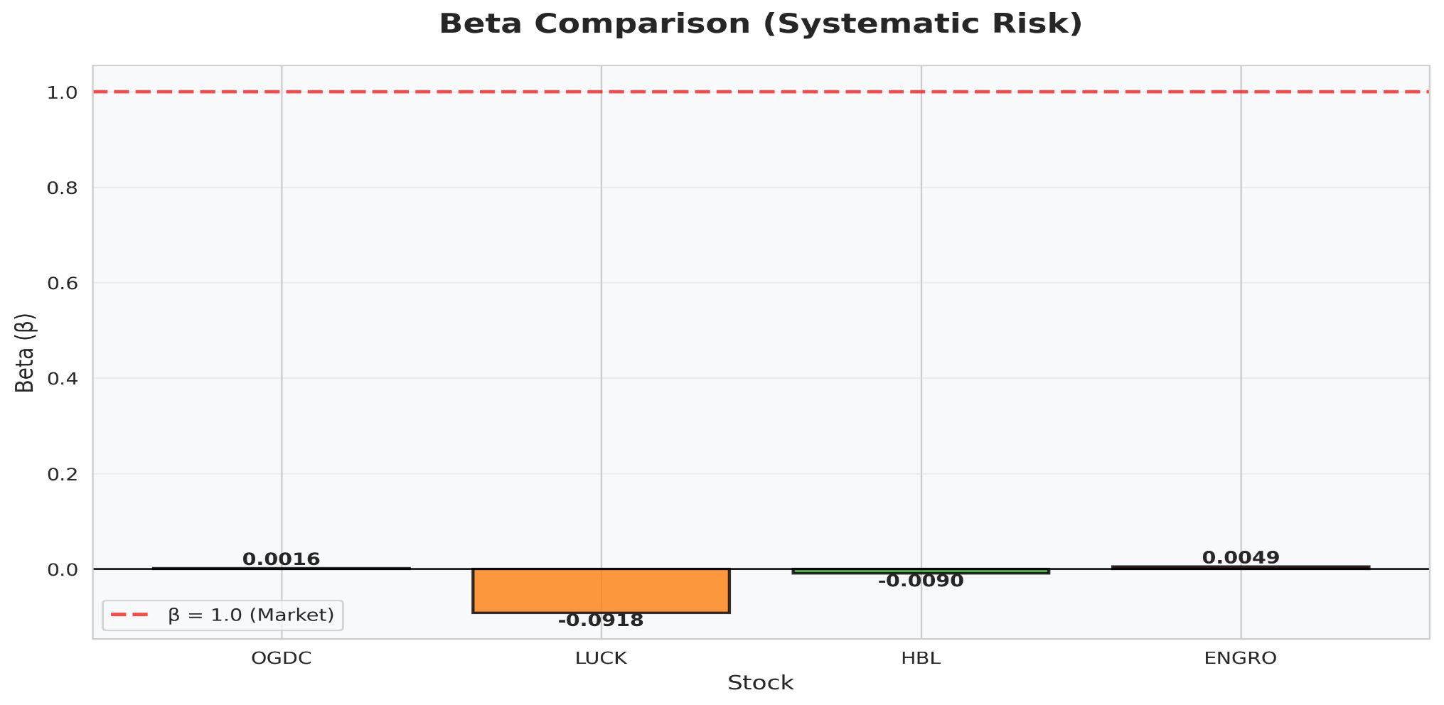
PART 5 — PORTFOLIO FORMATION (Weights: 30% | 30% | 20% | 10%)
Component | OGDC | LUCK | HBL | ENGRO | Portfolio
Note: Assignment weights sum to 90% (30%+30%+20%+10%). Remaining 10% is implicitly unallocated (no 5th asset specified).
Weight (wi) | 30% | 30% | 20% | 10%
Beta (βi) | 0.002 | -0.092 | -0.009 | 0.005
Annual Avg Return | -1.77% | 23.04% | 4.35% | -1.23%
Portfolio Beta (β_p) | -0.028
Risk-Free Rate (Rf) — 12M T-Bill | 11.35% |  |  |  | Source: SBP T-Bill Auction Jan 2025
Market Return (Rm) — KSE-100 Annual Avg | 6.81%
Required Return (CAPM): Rf + β_p(Rm - Rf) | 11.48%

PART 6 — NEW COMBINED PORTFOLIO BETA (Adding 3 External Stocks)
Asset | Weight (wi) | Beta (βi) | Weighted Beta (wi×βi)
Our Portfolio (Part 5) | 25% | -0.028 | -0.0071
Stock A | 15% | 0.769 | 0.1154
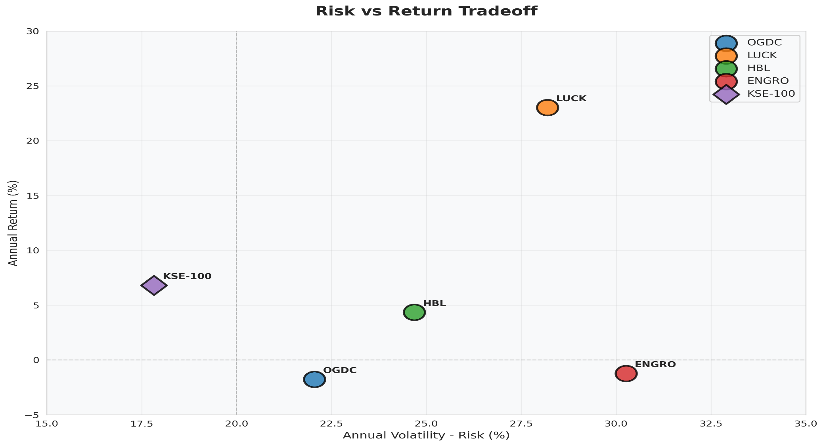
Stock B | 40% | 0.985 | 0.3940
Stock C | 20% | 1.423 | 0.2846
Total Weight Check | 100%
New Combined Portfolio Beta (β_new) | 0.787

PART 7 — REQUIRED RETURN OF NEW PORTFOLIO (CAPM)
Risk-Free Rate (Rf) | 11.35% | 12-month T-Bill rate from SBP auction
Market Return (Rm) | 6.81% | Average annual KSE-100 return (Part 1)
Market Risk Premium (Rm - Rf) | -4.54% | Excess return above risk-free
New Portfolio Beta (β_new) | 0.787 | Calculated in Part 6
Required Return = Rf + β(Rm-Rf) | 7.77% | CAPM Formula

SML & Valuation
Part 8 — Security Market Line (SML)
PART 8 — SECURITY MARKET LINE (SML) & STOCK VALUATION
SML: Required Return = Rf + β × (Rm − Rf) | Undervalued: Actual Return > Required Return | Overvalued: Actual Return < Required Return
Stock / Asset | Beta (β) | Actual Annual Return | Required Return (CAPM) | Risk Premium (Rm-Rf) | Over/Undervalued? | Mispricing (bps) | Plot Position
OGDC | 0.002 | -1.77% | 11.34% | -13.11% | ✗ OVERVALUED | -1311.1 bps | Below SML
LUCK | -0.092 | 23.04% | 11.77% | 11.27% | ✓ UNDERVALUED | 1126.8 bps | Above SML
HBL | -0.009 | 4.35% | 11.39% | -7.04% | ✗ OVERVALUED | -704.2 bps | Below SML
ENGRO | 0.005 | -1.23% | 11.33% | -12.56% | ✗ OVERVALUED | -1256.1 bps | Below SML
Our Portfolio | -0.028 | 11.48% | 11.48% | 0.00% | FAIRLY VALUED | 0.0 bps | On SML
New Portfolio | 0.787 | 7.77% | 7.77% | 0.00% | FAIRLY VALUED | 0.0 bps | On SML
KSE-100 (Market) | 1 | 6.81% | 6.81% | 0.00% | FAIRLY VALUED | 0.0 bps | On SML (Market)
Risk-Free Asset | 0 | 11.35% | 11.35% | 0.00% | FAIRLY VALUED | 0.0 bps | On SML (Origin)

SML LINE DATA (for chart — Required Return at each Beta level)
Beta (X) | SML Required Return (Y)
0.0 | 11.35%
0.2 | 10.44%
0.4 | 9.53%
0.6 | 8.62%
0.8 | 7.71%
1.0 | 6.81%
1.2 | 5.90%
1.4 | 4.99%
1.6 | 4.08%
1.8 | 3.17%
2.0 | 2.26%

SML INTERPRETATION GUIDE
• The SML plots Required Return (Y-axis) against Beta (X-axis). The line starts at Rf (β=0) and passes through the market return (β=1).
• UNDERVALUED stocks plot ABOVE the SML: their actual return exceeds what CAPM requires for that risk level → Buy signal.
• OVERVALUED stocks plot BELOW the SML: their actual return is less than CAPM required → Sell/avoid signal.
• Fairly valued stocks plot EXACTLY ON the SML.
• Slope of SML = Market Risk Premium (Rm - Rf). A steeper SML indicates higher risk aversion in the market.

CHART HELPER DATA
Asset | Beta | Actual Return | Required Return
OGDC | 0.002 | -1.77% | 11.34%
LUCK | -0.092 | 23.04% | 11.77%
HBL | -0.009 | 4.35% | 11.39%
ENGRO | 0.005 | -1.23% | 11.33%
Portfolio | -0.028 | 11.48% | 11.48%
New Portfolio | 0.787 | 7.77% | 7.77%
Market | 1 | 6.81% | 6.81%
Rf | 0 | 11.35% | 11.35%

Scatter Data
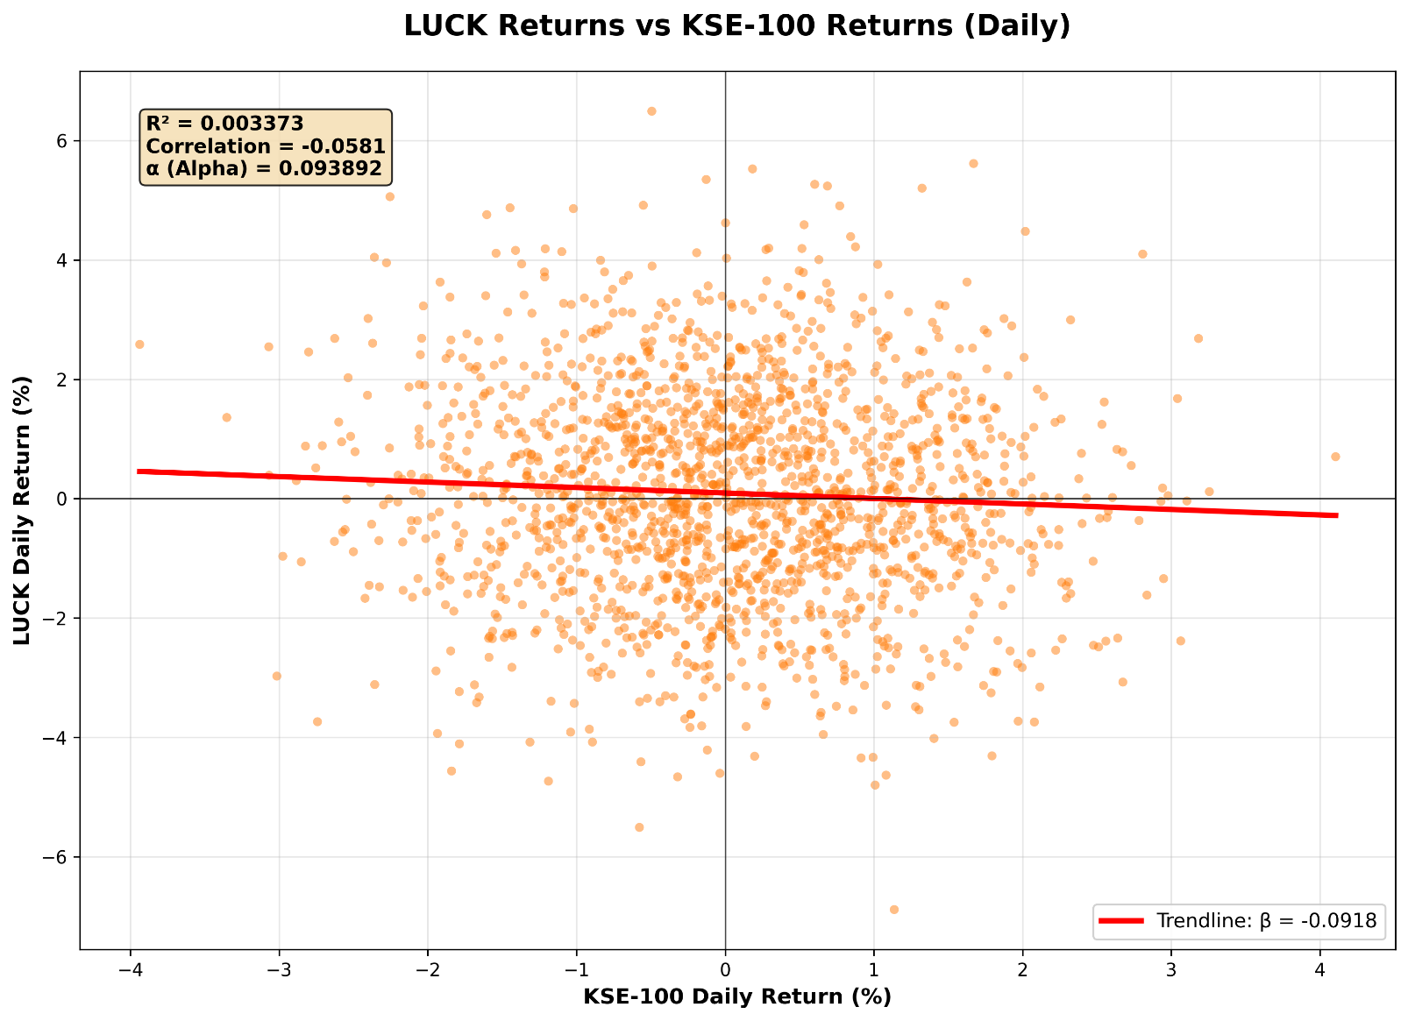
PART 3 — SCATTER DIAGRAM DATA (Company Returns vs KSE-100 Returns)
KSE-100 Return (X) | OGDC Return | LUCK Return | HBL Return | ENGRO Return
1.22% | -0.17% | -0.68% | -0.20% | -0.58%
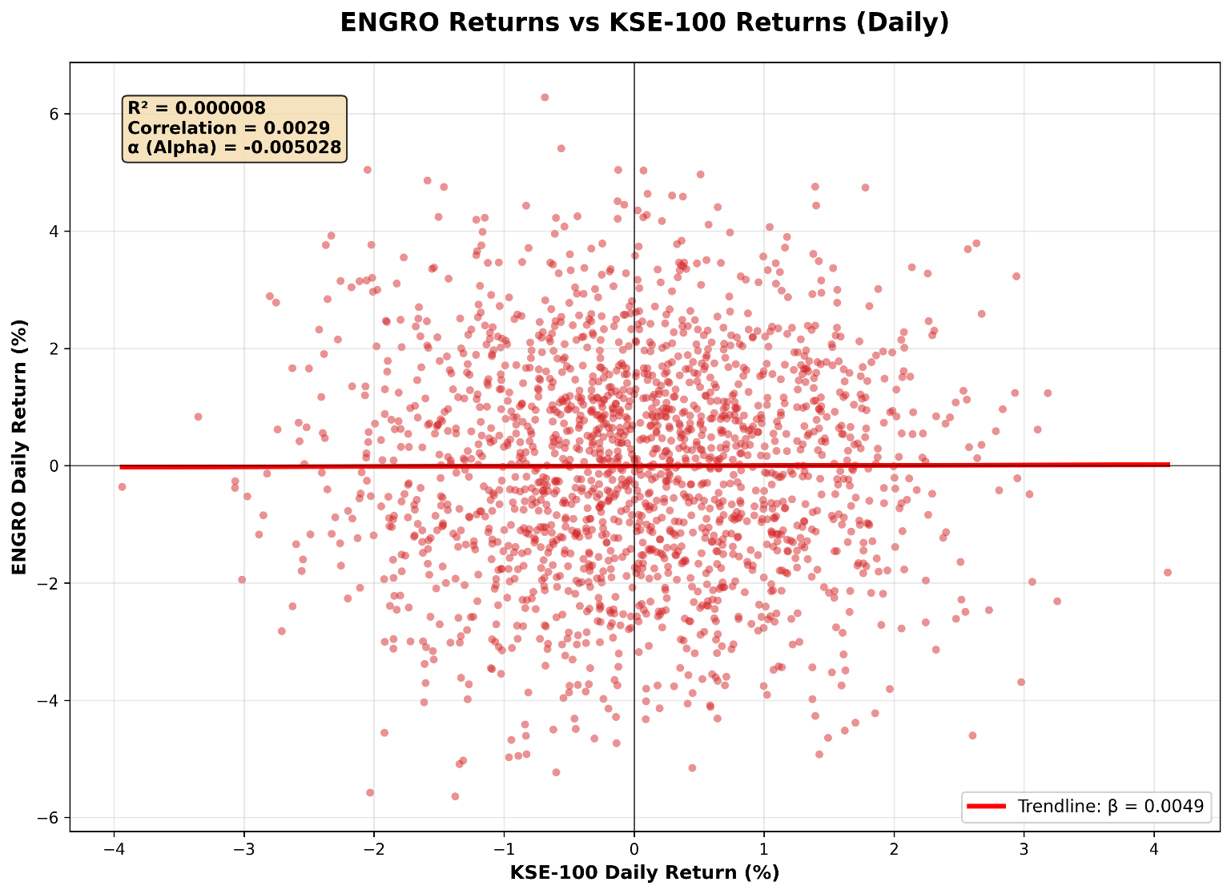
-0.13% | -0.21% | 5.35% | -0.04% | -3.75%
0.80% | -0.12% | -2.86% | 0.02% | 1.39%
0.42% | 1.01% | -1.59% | 2.23% | 1.65%
0.54% | -0.14% | 1.30% | 0.65% | 2.22%
0.88% | -2.04% | 4.22% | -3.08% | 2.60%
-0.32% | 0.49% | -1.69% | 1.71% | -1.09%
-0.33% | -0.34% | 3.29% | -3.00% | -0.25%
-2.01% | -0.27% | -1.56% | -0.60% | 2.96%
0.29% | 0.19% | 2.34% | -2.15% | 2.09%
-1.29% | 0.36% | 0.19% | 0.10% | -1.35%
-0.84% | 1.64% | 3.99% | -1.94% | -4.41%
-0.40% | 0.94% | 3.20% | -2.13% | -0.38%
0.78% | 0.19% | -1.08% | -1.61% | -1.97%
0.69% | -0.99% | 5.24% | 1.32% | 0.17%
0.56% | -1.38% | -1.92% | -0.26% | 1.88%
-0.17% | 0.37% | -0.49% | 1.09% | -2.69%
0.36% | 1.85% | 3.25% | 2.18% | 0.57%
-0.98% | 0.08% | -1.24% | 0.42% | -2.25%
1.78% | -0.11% | -1.07% | 0.94% | 4.74%
1.87% | 0.77% | 0.29% | -1.49% | 0.14%
-0.65% | -1.98% | 0.86% | -0.10% | 0.95%
-1.37% | -0.41% | 0.74% | -1.77% | -1.93%
-1.28% | 0.72% | -1.26% | 0.91% | -3.98%
-1.02% | 1.24% | 0.41% | 1.47% | -1.76%
-1.02% | -0.30% | 1.18% | 1.57% | -1.76%
0.38% | 0.56% | 2.71% | -0.01% | 2.26%
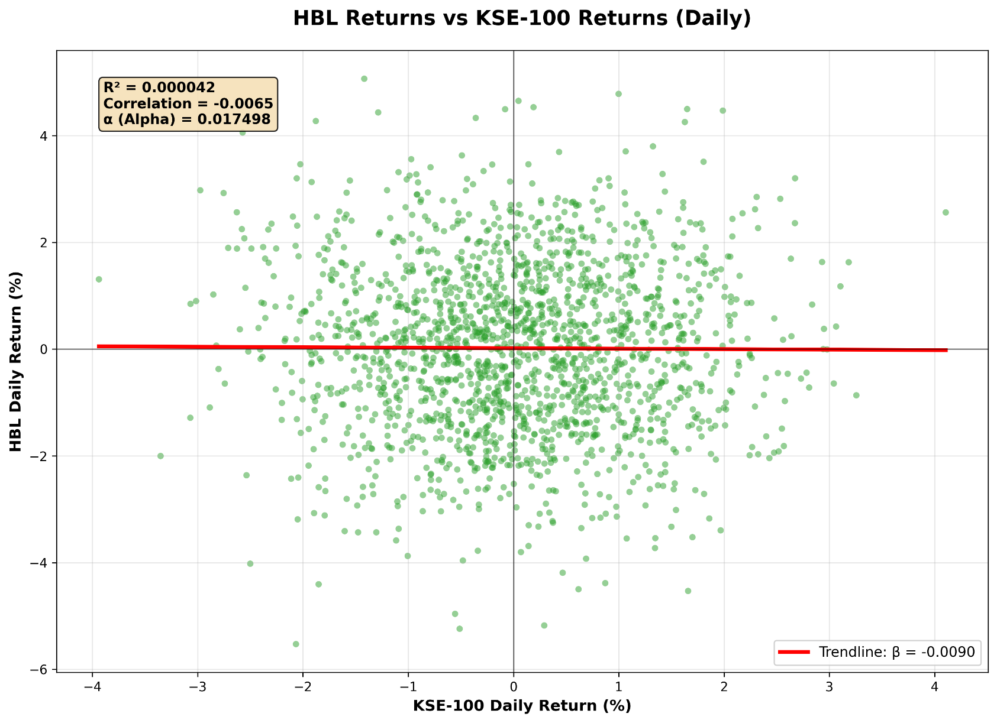
0.24% | 0.37% | 0.64% | 1.45% | -2.12%
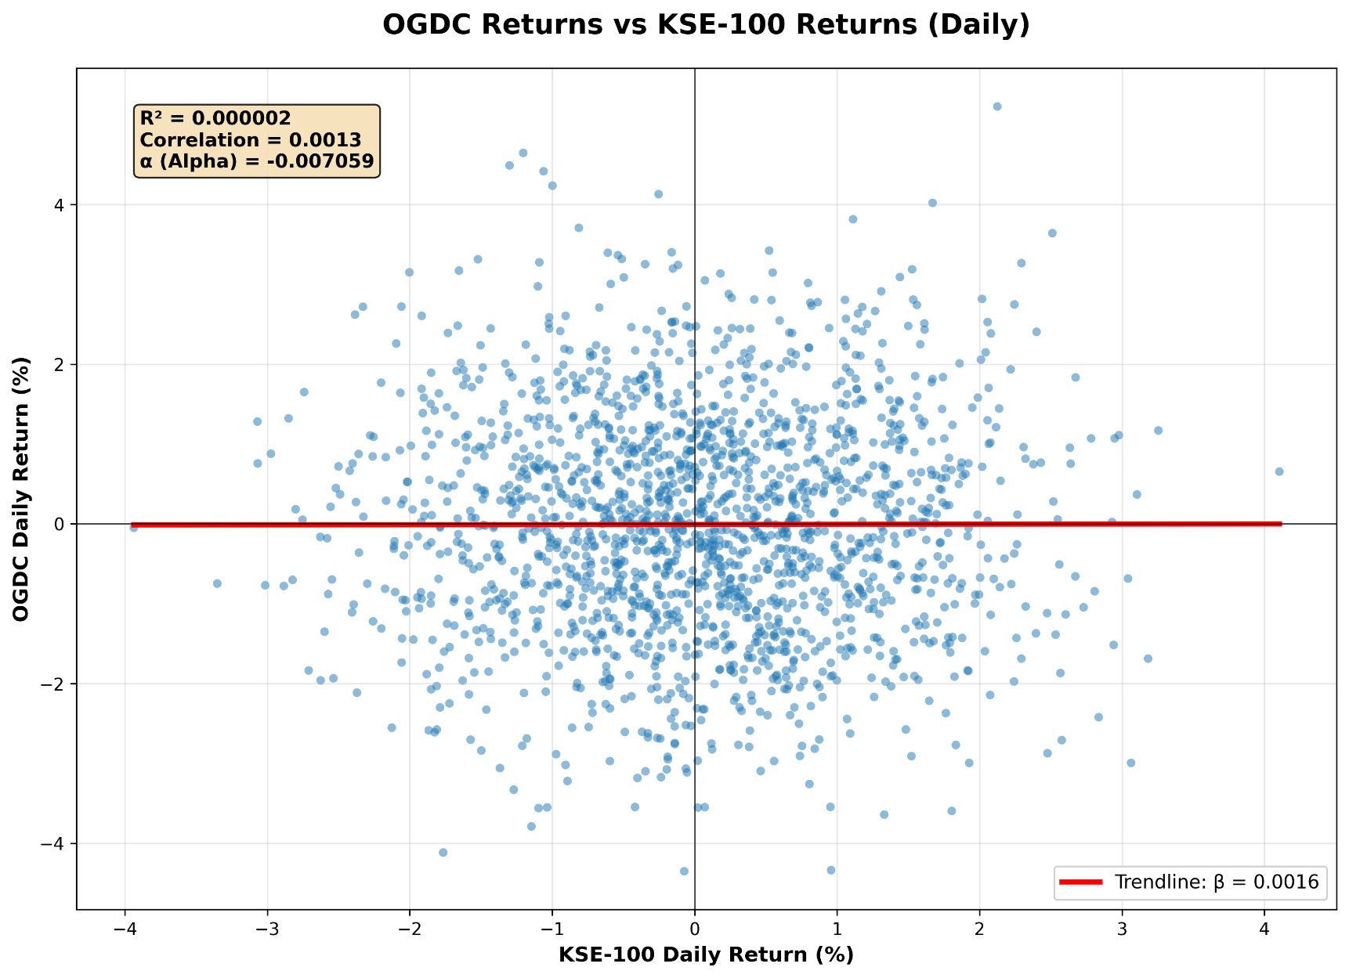
1.00% | 1.12% | -2.15% | -0.19% | 1.61%
0.24% | -1.51% | 0.11% | -0.84% | 0.84%
0.28% | 0.82% | -1.04% | 0.83% | -0.16%
-0.30% | -2.07% | 2.39% | 1.18% | -4.65%
1.80% | -3.60% | -2.90% | 3.51% | -0.99%
1.86% | -0.81% | 1.05% | 1.19% | 1.88%
-0.86% | -1.24% | -1.82% | -1.70% | 1.06%
0.38% | 1.25% | 2.30% | -1.50% | 0.33%
-0.26% | 0.95% | 1.42% | -2.01% | -2.67%
-0.26% | -1.66% | 0.45% | 0.16% | 0.29%
-0.60% | 1.21% | 0.95% | -1.70% | 0.53%
-1.27% | -1.36% | -0.53% | 2.19% | -0.87%
-0.27% | -0.08% | 1.25% | -0.42% | 0.86%
1.10% | -0.38% | -0.03% | 1.05% | -1.29%
1.60% | 0.19% | 1.35% | 0.28% | -3.75%
1.11% | 1.17% | 0.16% | 0.58% | -1.17%
0.20% | 0.91% | -4.32% | -1.59% | -1.26%
1.56% | 0.52% | -0.85% | -0.01% | 2.35%
-0.05% | 0.93% | 2.74% | -0.64% | 1.41%
-0.10% | 0.69% | 2.62% | -0.12% | -0.05%
-1.47% | -0.84% | 0.24% | 0.23% | -0.98%
1.38% | -0.96% | -0.16% | 1.12% | 1.10%
1.18% | -0.62% | -0.53% | -0.70% | 2.87%
-1.04% | 0.72% | 1.17% | 1.33% | -1.78%
-1.39% | -0.32% | 1.08% | 0.56% | -1.16%
2.29% | 3.27% | -1.67% | 2.62% | 2.22%
0.29% | -1.10% | 1.23% | -5.18% | 0.96%
-1.19% | -1.49% | 2.23% | -0.97% | -0.78%
-0.31% | 1.10% | -1.62% | 2.02% | 2.23%
0.69% | 2.00% | -0.27% | -3.93% | 1.09%
1.25% | 0.73% | 0.88% | 2.37% | -1.74%
0.95% | 1.19% | 1.34% | 0.17% | 0.57%
1.86% | 2.01% | -0.68% | -3.17% | 0.03%
0.86% | -0.10% | -0.87% | 1.18% | 3.17%
0.55% | -1.94% | -0.76% | -1.62% | 1.20%
1.42% | -0.70% | 0.74% | -1.40% | 0.96%
-0.53% | 1.35% | 0.82% | 2.35% | 0.30%
-0.63% | -1.97% | 0.03% | -0.57% | 1.03%
-1.57% | 0.08% | -2.35% | -1.47% | -2.58%
0.90% | 0.38% | -1.86% | 3.20% | -2.70%
-0.76% | -0.40% | 1.18% | 1.51% | 0.78%
0.32% | 1.03% | -2.09% | -0.49% | 0.80%
0.15% | 0.84% | 0.46% | -1.21% | -0.72%
-0.35% | 3.25% | -0.58% | -0.28% | -3.73%
-0.42% | 0.89% | -1.00% | 2.53% | -2.01%
1.16% | -0.81% | 0.11% | -1.51% | 1.06%
1.88% | -0.74% | 3.02% | -1.96% | 0.29%
-0.44% | -1.12% | 0.57% | 2.05% | -1.16%
-0.85% | 1.35% | -0.46% | -0.40% | -1.71%
2.22% | -0.75% | -2.54% | 0.20% | 0.55%
0.14% | -0.07% | 0.96% | 0.87% | -0.24%
-0.60% | 1.07% | 2.06% | -0.57% | -0.25%
-0.34% | -0.97% | 1.13% | -3.78% | -0.91%
1.01% | -0.37% | 2.12% | -0.29% | 0.33%
-0.06% | -2.52% | 0.90% | 1.99% | 0.58%
0.14% | -1.47% | -2.24% | 3.46% | -1.14%
-1.43% | -0.76% | -0.02% | -0.14% | 3.19%
-0.85% | 0.61% | 0.99% | -0.01% | -1.06%
1.30% | 1.69% | 1.33% | 2.19% | 0.36%
0.51% | 0.01% | -0.81% | 0.98% | -2.88%
1.18% | 0.39% | -0.05% | 0.51% | -1.84%
-1.89% | 0.26% | 0.70% | -3.07% | 1.79%
-0.62% | 1.53% | 2.30% | -0.62% | 1.42%
0.39% | 1.27% | 1.83% | 0.37% | 0.45%
0.80% | 0.41% | 1.20% | -2.34% | -1.22%
2.40% | -1.37% | 0.76% | -0.54% | 0.72%
0.26% | 1.29% | -1.75% | 2.74% | -1.83%
-0.98% | 0.56% | -1.88% | -0.36% | 2.07%
-0.83% | 1.73% | -0.10% | -2.22% | -4.92%
-1.48% | -0.01% | 1.90% | -2.93% | -0.68%
1.56% | 2.74% | 0.76% | 0.02% | -1.46%
-0.14% | -0.47% | 1.05% | -0.87% | 2.49%
-0.69% | 2.24% | -2.59% | -1.33% | -0.32%
1.34% | 0.19% | -2.52% | 0.40% | 2.38%
1.56% | -0.68% | 2.03% | 0.49% | 2.78%
-0.33% | -1.54% | 0.00% | 0.32% | 0.91%
-0.55% | -0.17% | -2.26% | 0.59% | -3.05%
0.37% | 2.00% | 1.62% | -1.89% | -1.38%
-1.88% | 1.17% | 0.51% | -0.98% | -0.90%
0.60% | 0.98% | 5.27% | -0.47% | 0.81%
0.81% | -3.26% | 2.26% | -0.05% | 0.77%
0.24% | 1.01% | 0.67% | 1.60% | -2.46%
0.84% | 0.80% | -0.21% | -1.11% | 1.53%
0.05% | -0.73% | 0.47% | -1.18% | -1.87%
0.23% | -0.84% | -0.12% | 2.37% | -0.62%
1.61% | 0.03% | -2.48% | 0.29% | 0.54%
0.16% | 2.42% | 1.70% | -2.16% | -0.20%
1.88% | -1.43% | 0.54% | -0.45% | 3.01%
1.01% | -0.56% | -4.80% | -1.90% | 2.20%
-0.26% | 1.91% | -1.06% | -1.75% | -2.44%
-0.01% | -0.58% | -1.40% | -2.06% | -2.08%
-0.73% | -0.47% | 1.79% | -1.21% | 2.22%
1.42% | 0.16% | -0.02% | 3.28% | 0.26%
3.18% | -1.69% | 2.68% | 1.63% | 1.24%
-0.25% | 0.34% | -2.75% | 2.22% | 0.09%
0.37% | -1.65% | -1.84% | 1.75% | 2.38%
0.59% | 1.26% | 1.94% | -0.17% | 1.50%
0.14% | 0.03% | -1.10% | 0.67% | 1.54%
-0.15% | 3.20% | -1.81% | 0.21% | -1.23%
0.76% | 0.42% | -0.87% | -1.65% | 1.19%
-1.62% | 1.93% | -1.28% | -1.79% | -3.00%
-0.95% | -1.78% | 1.01% | 1.46% | -0.41%
0.30% | -0.14% | 2.03% | -1.88% | -1.15%
0.11% | 0.47% | -2.74% | 0.36% | -1.42%
0.26% | 2.45% | -0.45% | 1.06% | -1.72%
0.70% | -2.30% | 0.09% | 1.23% | -3.75%
1.39% | 1.41% | 0.20% | 0.62% | 2.39%
-1.16% | 0.85% | 1.53% | -1.85% | -0.35%
-0.74% | 2.16% | 0.27% | 0.89% | -0.29%
1.25% | 1.02% | -0.96% | -0.17% | 1.00%
0.14% | 0.10% | -1.90% | -1.50% | 2.06%
0.25% | -0.69% | -3.16% | -3.09% | 2.58%
1.41% | -1.70% | -0.59% | 0.74% | -0.77%
-2.04% | 0.30% | 0.08% | -2.41% | 0.40%
1.73% | -0.23% | 1.68% | -2.64% | -1.66%
0.26% | 2.83% | -0.61% | 2.79% | 1.43%
-1.41% | -0.82% | 4.16% | -1.85% | 0.09%
1.41% | 0.48% | -0.08% | -0.62% | 1.76%
2.07% | -2.14% | -0.79% | 0.16% | 1.61%
1.74% | -0.52% | 0.73% | 0.15% | 1.52%
-0.25% | 0.39% | -1.65% | -1.56% | 1.06%
0.83% | 1.17% | 0.43% | -1.08% | 0.21%
0.64% | 2.04% | -3.58% | 1.31% | -2.30%
-1.52% | -0.03% | 1.25% | -0.40% | 0.67%
2.94% | -1.52% | 0.18% | 0.00% | 3.23%
-1.09% | 0.66% | 0.43% | -3.37% | -0.77%
2.38% | 0.75% | 0.33% | -0.86% | -1.23%
0.00% | 0.71% | -2.19% | 1.39% | 1.21%
0.34% | -0.94% | -1.53% | -1.11% | 3.21%
-0.25% | 1.60% | 2.82% | -1.46% | -1.92%
1.62% | 0.15% | 0.93% | 0.63% | -4.52%
2.06% | 1.00% | -0.99% | 0.98% | -1.12%
0.24% | 1.80% | 0.80% | 0.57% | 0.24%
-0.67% | 0.88% | 0.78% | -0.86% | -0.22%
-0.76% | 0.43% | 3.51% | 1.22% | -0.44%
0.80% | 3.02% | 2.02% | 2.61% | -0.90%
-2.49% | 0.37% | 0.79% | 1.88% | -1.17%
-1.79% | -0.38% | -0.73% | -2.43% | -1.52%
0.05% | 0.18% | 3.20% | 4.65% | 0.73%
0.38% | 2.09% | -0.12% | -2.04% | 1.13%
-0.51% | 0.20% | -1.48% | -1.89% | -2.95%
-0.45% | 0.75% | -2.09% | 0.51% | 3.04%
-1.92% | 1.69% | -1.46% | -0.11% | 0.88%
-0.41% | -0.68% | -0.58% | 0.61% | 1.09%
-0.14% | -2.36% | 1.41% | 2.11% | -0.49%
0.37% | 0.45% | 1.67% | 1.51% | 0.53%
0.69% | 0.35% | 2.09% | -1.37% | -2.07%
-2.17% | -0.81% | 0.33% | 0.15% | 3.04%
1.81% | 1.24% | 1.53% | 1.63% | 2.72%
-2.36% | 0.88% | 4.04% | 1.70% | -0.41%
0.62% | -1.35% | 1.67% | 1.81% | -2.45%
-0.48% | 0.75% | 2.89% | 1.33% | -0.53%
1.15% | -0.24% | -2.61% | 1.15% | 1.16%
0.66% | -2.02% | -1.25% | -0.77% | -0.70%
-0.18% | 0.66% | -1.27% | -2.04% | -1.45%
-0.32% | -0.03% | -4.66% | 0.71% | 0.35%
-1.85% | -1.00% | 0.19% | -0.67% | -1.60%
-0.07% | 0.76% | 2.51% | 1.99% | 2.57%
-0.79% | 0.71% | -0.88% | -1.33% | 1.83%
-1.03% | -0.77% | 0.40% | -0.56% | 1.30%
-1.23% | 0.59% | -1.45% | -0.64% | -1.29%
0.05% | 1.43% | -0.81% | 1.57% | 0.44%
-0.44% | -0.95% | 0.56% | 1.22% | 2.14%
1.02% | 0.56% | -2.05% | 0.08% | -3.91%
-0.58% | 0.04% | 2.13% | 0.50% | 0.44%
-1.65% | 3.17% | -3.32% | 2.58% | 2.70%
-0.86% | -2.55% | 0.63% | -2.73% | 3.47%
0.07% | 1.00% | -0.81% | 1.22% | -1.75%
-2.04% | -0.39% | 2.69% | 1.74% | 0.57%
1.53% | -0.11% | 1.40% | 1.95% | 2.02%
-0.23% | 2.67% | -3.62% | 1.30% | 2.33%
-0.12% | 0.02% | -4.21% | -1.18% | -3.43%
0.18% | 3.14% | -1.71% | -0.81% | -3.75%
0.79% | -0.58% | -0.83% | 1.08% | 0.34%
0.78% | 0.52% | -0.27% | -0.89% | 0.99%
-0.83% | -0.65% | 0.11% | -0.27% | -0.19%
-0.78% | -0.92% | 1.25% | -2.34% | -0.57%
2.27% | 0.12% | -2.35% | -1.84% | 2.46%
-2.36% | -0.36% | -3.12% | 0.58% | 2.84%
-1.12% | 0.31% | 0.51% | -0.62% | -1.07%
-0.97% | -2.89% | -0.58% | -1.16% | 0.35%
1.06% | 2.81% | -0.12% | -0.25% | -2.14%
0.35% | -0.20% | -1.07% | 0.51% | 3.33%
0.39% | 2.45% | -0.24% | -0.37% | -2.61%
-0.96% | -1.36% | 2.68% | 0.31% | -1.98%
0.40% | 0.44% | -2.80% | 0.18% | -1.63%
-1.06% | 4.42% | -2.10% | -0.36% | -1.93%
-0.60% | -1.18% | 1.19% | 0.02% | 2.46%
-0.83% | -2.04% | 2.82% | -1.36% | 4.43%
-0.79% | -0.72% | -0.30% | -0.75% | 0.54%
-1.10% | 0.69% | -2.17% | -2.85% | -0.59%
0.27% | 1.00% | -3.47% | -1.80% | 1.41%
0.37% | 1.82% | 0.52% | -1.83% | -1.67%
-0.90% | -0.32% | -2.14% | -0.59% | 2.58%
-0.49% | -2.19% | 3.90% | 1.82% | -0.02%
0.52% | -0.57% | 4.19% | 0.02% | 0.84%
0.20% | 1.75% | 0.46% | 0.28% | -1.26%
1.66% | 0.68% | 0.92% | -1.45% | -0.34%
-0.26% | -2.68% | -0.15% | 0.49% | -3.01%
0.40% | -0.01% | 2.07% | 2.71% | 0.08%
0.78% | 1.97% | 0.05% | -0.10% | 1.73%
-1.10% | 2.98% | 0.17% | -1.25% | -3.45%
-1.20% | 0.81% | 2.46% | -1.80% | -1.86%
-1.53% | 0.46% | 1.16% | 0.46% | -0.86%
0.50% | -1.69% | 3.82% | -1.45% | -0.54%
-0.19% | -1.14% | -2.83% | 1.16% | -0.12%
0.32% | 0.10% | -0.92% | -1.55% | -0.04%
0.17% | 0.73% | -1.54% | -2.57% | 0.58%
0.27% | 0.84% | 1.54% | 0.80% | -0.02%
0.75% | -0.63% | -0.81% | -2.00% | -3.13%
-0.42% | -1.57% | 1.12% | 0.99% | 0.64%
0.88% | -1.04% | -2.00% | 1.67% | 2.32%
0.72% | -1.57% | -0.11% | -0.89% | 0.54%
-1.54% | 0.92% | 4.11% | 0.36% | -3.31%
-0.24% | -3.17% | 2.95% | 2.24% | 0.49%
1.79% | -0.43% | -3.25% | -0.70% | 0.94%
4.11% | 0.65% | 0.70% | 2.56% | -1.82%
-0.02% | 2.14% | 1.52% | -0.48% | 0.19%
0.06% | 0.13% | -0.81% | -1.44% | 2.46%
-1.82% | 1.42% | -1.89% | 0.19% | 3.10%
0.16% | -0.52% | 1.23% | 0.40% | 0.29%
-0.04% | -1.00% | 0.24% | 1.83% | 1.01%
-0.61% | -0.90% | 1.03% | 1.43% | -0.26%
2.04% | 2.15% | -0.22% | 0.62% | -0.73%
0.27% | 1.41% | 4.17% | 1.07% | 2.67%
-1.09% | 0.71% | -1.55% | 0.33% | 1.87%
-1.20% | 4.65% | -0.82% | 1.28% | 1.21%
0.87% | -0.01% | 0.97% | -0.78% | -0.95%
-0.68% | 0.89% | 1.35% | -1.66% | 2.82%
-1.03% | 0.46% | -2.37% | 0.37% | 2.01%
-1.88% | -0.27% | 2.35% | 4.27% | -2.39%
-0.12% | 3.24% | -2.51% | 1.32% | 2.10%
0.71% | 2.12% | 0.07% | -1.06% | 0.36%
0.96% | -1.91% | -0.48% | 2.23% | 0.57%
0.31% | -0.52% | -1.19% | -2.90% | -3.76%
1.90% | 0.63% | 2.06% | -0.36% | -2.72%
-1.31% | 1.12% | -4.08% | 0.67% | 1.91%
0.25% | -1.84% | -1.23% | -1.02% | -1.40%
0.46% | -3.10% | -1.53% | -0.90% | 1.58%
-1.82% | -2.61% | 1.60% | -0.23% | -2.46%
-0.18% | -0.07% | 2.79% | -0.82% | -2.74%
-1.21% | -0.11% | 1.43% | -1.19% | 3.66%
0.29% | 0.51% | 2.52% | -1.67% | 1.76%
-0.91% | -1.03% | -3.86% | -2.42% | -0.19%
0.78% | -1.67% | 0.35% | -1.48% | 0.47%
1.83% | -2.77% | -2.38% | -0.12% | -1.29%
-0.21% | 0.48% | -0.60% | 1.63% | 0.72%
-0.70% | 0.54% | 0.49% | -1.00% | 2.28%
-1.34% | 1.41% | 0.23% | -1.87% | -0.74%
0.48% | 1.13% | 2.49% | 2.57% | 0.97%
-1.01% | -0.23% | -3.43% | -1.76% | -3.15%
1.09% | 1.90% | -1.42% | 0.19% | 3.45%
1.92% | -0.15% | -2.55% | -1.43% | 1.95%
2.00% | -0.89% | -2.83% | -1.10% | -0.01%
2.10% | -0.69% | 1.83% | 0.65% | -0.58%
0.16% | -0.78% | 0.38% | 0.77% | 2.71%
0.56% | -2.97% | 2.81% | 2.05% | -0.91%
-0.86% | 0.25% | 2.15% | 1.09% | 0.75%
-1.47% | 0.38% | 0.18% | 0.28% | -0.55%
0.87% | -0.47% | -1.65% | 1.02% | -1.69%
-1.58% | -0.96% | 1.81% | -1.58% | 2.01%
1.16% | 0.54% | -1.16% | 1.95% | -0.73%
-0.94% | 2.42% | -2.06% | 0.87% | 0.92%
-0.20% | 0.08% | -1.97% | 0.82% | -0.61%
2.00% | -0.67% | 0.27% | 0.98% | -0.21%
0.33% | -0.79% | 2.29% | -2.29% | -0.27%
0.61% | -0.07% | 0.15% | -1.74% | -1.19%
-0.27% | -1.72% | 2.22% | 0.24% | 1.43%
1.01% | -0.14% | 0.22% | 0.27% | -0.12%
-0.26% | 0.12% | -0.69% | 0.95% | 1.68%
-1.02% | 2.59% | 4.86% | 0.21% | 1.46%
-1.09% | 1.34% | 3.27% | -0.25% | 2.36%
-1.74% | 1.46% | 0.41% | 2.02% | -0.88%
-1.39% | -0.96% | -1.41% | 0.59% | 1.30%
0.80% | 0.96% | -2.78% | 1.22% | -0.28%
-0.06% | -1.55% | 0.77% | 1.92% | 0.01%
-1.05% | 0.46% | -0.39% | 2.03% | -1.30%
0.93% | 0.61% | 0.88% | 0.54% | -0.85%
0.24% | -1.03% | 0.63% | 1.18% | 1.24%
0.54% | 2.80% | 0.83% | 0.46% | -0.60%
-1.09% | 0.82% | 2.07% | 1.73% | -1.33%
-0.49% | -2.61% | 0.61% | 3.63% | 1.65%
0.43% | 0.80% | -1.22% | -1.61% | 0.72%
-0.27% | -0.53% | -1.30% | -1.14% | -2.25%
1.18% | 0.03% | 1.09% | 2.53% | 0.25%
0.91% | 0.68% | -1.83% | 0.33% | 2.18%
1.73% | 0.57% | 1.33% | -0.64% | 2.12%
0.38% | -2.79% | 1.32% | -1.05% | -0.97%
-0.69% | -1.57% | -0.02% | 1.52% | -2.05%
0.09% | 1.10% | -1.32% | 0.92% | -0.64%
2.67% | 1.83% | -3.07% | 3.20% | 2.59%
1.27% | 2.67% | -1.92% | -0.11% | 1.45%
-0.14% | 2.53% | -2.81% | 1.46% | -4.29%
0.84% | -2.82% | 0.11% | 2.64% | 1.67%
-0.20% | 1.10% | -0.72% | -2.22% | -4.14%
-0.33% | -2.62% | -1.56% | -1.62% | 3.70%
1.32% | 2.26% | 1.60% | 0.47% | 1.65%
0.52% | 0.38% | 0.29% | -0.86% | -0.70%
1.10% | -1.55% | 0.14% | -0.63% | 0.25%
2.02% | 2.82% | 1.04% | -1.00% | 1.30%
-0.53% | 0.92% | 1.89% | -0.19% | -0.88%
0.39% | -2.59% | -2.77% | -1.39% | 0.92%
1.11% | 0.44% | 1.30% | -1.97% | -0.20%
0.94% | -0.98% | -3.13% | 0.65% | -0.43%
-0.39% | 0.19% | -1.34% | 0.24% | 2.93%
0.09% | -0.61% | 1.84% | 1.58% | -3.80%
2.22% | 1.94% | 1.28% | 0.86% | 0.14%
-0.60% | -1.94% | 1.23% | 0.70% | -2.59%
0.56% | 0.47% | 0.38% | 1.23% | -0.29%
0.60% | 2.55% | 2.55% | -1.41% | -1.29%
-1.59% | -1.11% | -2.66% | -0.74% | 4.86%
0.77% | 0.32% | -0.48% | 0.47% | -0.92%
-1.49% | 0.31% | 0.14% | 1.51% | -0.21%
0.28% | -0.92% | 3.65% | 1.06% | -1.12%
1.44% | 0.93% | 1.87% | -0.29% | 1.73%
-0.53% | 0.17% | 1.89% | -0.26% | -0.92%
-1.69% | -1.27% | -1.28% | 0.44% | -1.19%
0.01% | 2.48% | 4.03% | -1.78% | 3.58%
0.01% | 1.13% | 0.89% | 1.37% | 1.52%
0.17% | -0.20% | -1.72% | 1.26% | 0.56%
0.29% | -0.85% | 4.20% | 1.50% | 4.61%
0.36% | -1.05% | -2.46% | 1.60% | -1.15%
-1.62% | 1.74% | -1.47% | 1.62% | -1.49%
1.25% | -0.17% | -0.35% | -2.93% | -1.45%
-2.42% | 0.67% | -1.67% | 0.40% | 2.32%
-0.37% | -0.22% | 0.99% | -2.22% | -1.12%
0.95% | 0.89% | 0.55% | -1.46% | 2.30%
-0.83% | -0.13% | 0.26% | -0.17% | -1.14%
-1.61% | 1.09% | 3.40% | 1.91% | -3.38%
-0.82% | -0.22% | -2.82% | 0.56% | -1.47%
-0.52% | 1.18% | 2.47% | 0.41% | 0.59%
2.31% | 0.96% | -1.40% | 2.85% | 2.30%
-1.66% | -0.13% | 2.64% | 0.42% | 2.51%
0.51% | -1.16% | 3.42% | -1.45% | 0.74%
-0.19% | -1.27% | 4.12% | -2.16% | 1.34%
-0.89% | -0.99% | -0.28% | -1.33% | -4.95%
-1.53% | -1.33% | -1.99% | 0.22% | 0.54%
-1.31% | 1.23% | 0.64% | -2.38% | 0.12%
0.42% | -0.03% | -0.03% | 0.73% | -0.54%
0.80% | 2.21% | -3.05% | 0.53% | -1.21%
1.53% | 3.19% | 1.36% | -1.09% | 1.71%
-1.05% | 0.07% | -1.57% | 0.20% | 2.20%
-2.37% | -2.11% | 2.60% | 0.85% | 3.76%
0.69% | -0.50% | 1.76% | -0.96% | -0.32%
0.63% | -0.07% | -0.44% | 1.19% | -1.46%
1.38% | -2.03% | 0.12% | -1.09% | 3.61%
-2.11% | -0.31% | -0.37% | 0.96% | -0.56%
1.73% | 0.43% | -0.75% | 2.34% | -0.94%
0.18% | -0.61% | 5.52% | 0.55% | -2.57%
2.32% | -1.03% | -1.59% | -1.97% | 0.84%
-0.20% | -1.02% | 0.16% | 0.18% | 1.19%
1.61% | 2.51% | 1.81% | 0.16% | 1.64%
-0.62% | -0.19% | -0.62% | -1.31% | 0.47%
2.47% | -1.12% | -1.05% | -1.94% | 1.08%
-0.55% | -0.49% | -2.28% | -0.56% | 1.09%
-1.68% | 1.35% | 2.16% | 1.41% | 1.02%
0.31% | -0.92% | 1.32% | 1.33% | 2.27%
1.33% | 0.70% | 0.89% | 1.93% | 1.66%
1.47% | 1.04% | -2.60% | -0.03% | 0.40%
-0.03% | 1.07% | 0.95% | 3.14% | -0.97%
0.49% | 1.97% | 0.56% | -1.30% | 1.57%
0.02% | -0.73% | -0.54% | 0.74% | -1.04%
1.56% | 1.60% | -2.37% | -0.34% | -0.23%
1.22% | -1.07% | -0.04% | 2.38% | -1.31%
-0.54% | -0.52% | -1.48% | 0.10% | 4.08%
1.14% | 1.69% | 0.20% | -1.59% | -1.79%
0.01% | 1.17% | 0.17% | 0.42% | 1.30%
1.38% | 0.03% | -0.54% | -1.73% | 1.32%
-0.39% | -1.62% | 1.62% | -1.34% | 1.71%
0.14% | 0.81% | -0.06% | 1.50% | -0.03%
-0.61% | -0.84% | 0.99% | 0.01% | 0.21%
-1.74% | -1.25% | 0.80% | 1.39% | -0.33%
-1.34% | -0.87% | 1.84% | -1.33% | -5.09%
1.31% | 0.37% | -1.64% | 2.08% | -1.40%
0.74% | -2.91% | -0.55% | -0.24% | 2.63%
-0.86% | 0.53% | 1.68% | -3.04% | -1.49%
0.59% | 0.27% | 0.33% | -1.37% | 0.30%
0.07% | -0.78% | 2.04% | -2.16% | 5.03%
0.91% | 1.47% | 1.37% | -2.27% | -1.78%
-0.47% | 0.88% | -0.72% | 0.85% | -0.91%
0.02% | -0.81% | 1.61% | 0.62% | -0.43%
-1.27% | -0.90% | -0.40% | 0.97% | -3.73%
1.34% | 0.99% | 1.75% | -1.12% | -1.59%
0.63% | -2.07% | 3.33% | 0.88% | -2.65%
0.17% | -0.43% | 1.99% | -2.28% | 1.08%
2.81% | -0.84% | 4.10% | -0.72% | -0.42%
1.37% | 0.13% | -2.68% | -0.21% | -3.98%
1.66% | 0.32% | -0.91% | -0.86% | 1.58%
0.41% | 0.08% | -0.41% | 0.20% | 1.88%
-0.55% | 1.61% | -0.65% | 0.00% | -0.64%
0.55% | 0.35% | 0.72% | 0.78% | 1.84%
0.09% | -0.41% | -0.59% | 0.52% | 1.16%
-0.35% | -1.65% | 2.01% | 1.54% | -1.68%
1.38% | 1.03% | 1.80% | -0.72% | 0.58%
-0.32% | 0.77% | 0.79% | 1.07% | 0.40%
0.32% | 2.04% | -1.73% | 0.48% | -1.53%
0.18% | -1.01% | 1.03% | 0.42% | -1.89%
-1.66% | 0.07% | 1.25% | 0.25% | 0.82%
0.64% | -0.05% | 0.68% | -3.35% | 4.41%
0.91% | -0.09% | 0.11% | 3.06% | -0.02%
0.10% | 0.05% | 2.53% | -1.40% | 0.44%
0.33% | -2.34% | -0.91% | -1.22% | -1.94%
-0.32% | 1.18% | -0.59% | -0.47% | -0.44%
-0.67% | 0.93% | 1.24% | -2.02% | -0.34%
-0.67% | 1.60% | 1.00% | 2.79% | -0.67%
-2.00% | 3.15% | 1.56% | -0.94% | -1.19%
0.65% | -0.41% | -0.44% | -1.03% | -0.04%
-1.47% | -0.02% | -2.26% | -1.27% | -1.02%
-0.47% | 0.05% | -2.12% | 0.73% | 2.39%
-2.33% | 2.72% | -0.70% | 2.24% | 3.92%
-0.72% | -2.37% | 1.46% | 0.47% | -1.39%
0.65% | 0.70% | 1.46% | -1.18% | -0.64%
0.14% | -2.01% | -3.14% | 2.12% | 0.87%
0.07% | -3.55% | 1.00% | 0.48% | 1.15%
0.31% | -2.77% | -0.09% | -1.09% | -1.39%
-1.88% | -1.88% | -1.78% | -0.08% | -1.03%
1.03% | 1.51% | 3.92% | 0.25% | 1.16%
-0.44% | -1.17% | 0.52% | 0.41% | -3.05%
0.07% | -0.28% | 1.52% | 0.04% | 4.23%
0.53% | -1.58% | 4.59% | 0.08% | 0.62%
-2.97% | 0.88% | -0.97% | 2.98% | -0.53%
1.65% | -1.49% | -0.64% | 4.50% | -0.24%
-0.35% | 1.86% | 2.69% | 0.31% | -1.98%
0.67% | -1.35% | -2.25% | -1.40% | 3.46%
-0.35% | -1.03% | 0.19% | -1.62% | -0.11%
-0.66% | 0.20% | 0.14% | 1.32% | -0.77%
1.53% | 0.06% | 1.77% | -2.52% | 3.37%
-1.33% | 2.01% | 0.77% | -0.25% | 2.00%
0.37% | 0.20% | -1.55% | 0.66% | -0.32%
-0.57% | -1.65% | 1.77% | 0.32% | 0.87%
0.62% | -0.75% | 1.55% | -0.60% | -0.58%
1.06% | -0.76% | -1.79% | 2.93% | -0.64%
0.82% | 1.03% | -1.15% | 1.30% | -0.37%
0.67% | 0.57% | -0.87% | -0.71% | 0.61%
-0.64% | -0.13% | -1.97% | 1.27% | 2.12%
-0.24% | 1.23% | 1.94% | -0.24% | 3.79%
0.41% | -0.70% | -0.51% | -0.77% | -4.06%
1.40% | -0.15% | -0.43% | -0.60% | 4.43%
0.57% | 0.28% | -1.77% | 1.90% | 1.99%
-0.18% | 2.15% | -0.64% | -0.84% | 0.08%
0.28% | -0.11% | 2.68% | -0.07% | -0.76%
1.07% | -0.45% | 1.38% | 1.65% | -3.48%
0.57% | -1.42% | -2.79% | 0.52% | 2.30%
1.06% | 0.98% | -1.69% | 0.42% | -2.02%
-0.42% | -0.79% | 1.18% | -1.00% | 1.28%
1.07% | 0.51% | -0.82% | 3.71% | -0.74%
-0.37% | -2.60% | -0.92% | 1.33% | -3.02%
0.14% | 1.48% | -1.46% | -3.69% | 0.84%
0.69% | -1.81% | -2.29% | 2.09% | 0.97%
-1.47% | -1.04% | 0.23% | -1.98% | -1.72%
-0.25% | 1.50% | -0.61% | -2.12% | 1.67%
0.35% | -1.82% | 2.07% | -1.06% | 3.46%
0.22% | -0.08% | -0.06% | 2.02% | 0.97%
0.98% | 0.13% | -1.64% | -0.39% | 0.86%
-2.60% | -1.35% | 1.28% | 0.37% | -1.34%
-1.85% | 1.89% | 2.43% | -2.59% | -1.92%
1.16% | 2.11% | -1.24% | 1.73% | -0.72%
0.87% | -2.70% | -2.94% | -0.38% | 0.18%
2.24% | -1.97% | -0.79% | -1.99% | 0.07%
-0.10% | 1.15% | -2.32% | 0.55% | -0.33%
1.39% | -1.77% | 2.95% | 0.81% | 4.76%
2.56% | -0.51% | -2.39% | 0.18% | 1.13%
-2.56% | 0.21% | -0.52% | 2.08% | -1.80%
-1.84% | 0.99% | 2.66% | 0.96% | -2.22%
-0.53% | -0.28% | 1.60% | 2.41% | -3.24%
-1.57% | 0.16% | -0.85% | -0.05% | -1.86%
1.75% | -1.04% | -1.32% | 0.21% | 1.14%
-0.27% | 1.82% | -0.26% | 1.41% | -0.49%
-0.76% | -0.65% | -0.36% | 1.86% | -1.26%
1.44% | 0.50% | 2.70% | -0.49% | 1.16%
0.78% | -0.67% | -0.21% | 3.01% | 1.08%
-0.63% | 0.18% | -2.32% | 0.22% | 0.75%
0.81% | -0.20% | 1.80% | 0.05% | 0.02%
-1.01% | -0.19% | 1.89% | 0.74% | -0.02%
-0.76% | -1.38% | -0.34% | -1.31% | -2.45%
1.37% | 1.14% | 1.42% | -2.55% | -3.44%
-0.92% | 1.99% | 0.15% | 3.28% | -1.48%
-0.53% | 0.37% | -2.07% | 1.72% | -1.44%
-0.49% | 1.04% | -0.08% | -1.41% | -1.50%
-0.60% | 1.19% | -1.96% | 0.25% | -0.28%
-2.85% | 1.32% | -1.06% | 1.02% | -0.85%
-1.73% | 0.45% | -1.60% | -0.73% | -2.42%
0.21% | 0.32% | 0.65% | 2.29% | -0.14%
1.60% | 1.23% | 0.39% | -0.73% | 0.68%
0.81% | 0.13% | -2.27% | 1.60% | -0.88%
-0.55% | -1.32% | -1.56% | -0.95% | 1.59%
-0.11% | 0.07% | 0.05% | 0.84% | 0.64%
-1.87% | -2.59% | 0.88% | 2.48% | 0.78%
-0.26% | 0.02% | 0.19% | 0.79% | -0.66%
-0.24% | 0.60% | -3.83% | -0.73% | 0.83%
-0.63% | 1.74% | 2.33% | 0.39% | 1.34%
0.71% | 0.24% | 3.19% | 1.18% | -3.60%
0.48% | 1.32% | 2.85% | -0.64% | 2.07%
0.66% | 0.03% | 1.02% | -0.58% | -0.92%
2.53% | -1.39% | 1.24% | 2.82% | 1.28%
0.64% | -1.92% | -1.09% | 2.24% | -4.31%
-2.20% | -1.31% | 0.39% | -1.01% | -0.77%
-1.55% | -1.86% | -1.93% | -2.04% | -3.16%
-0.03% | 0.91% | 0.27% | -1.98% | -0.24%
-0.97% | -0.26% | -2.46% | -1.72% | 0.39%
-0.25% | 0.82% | 1.09% | -0.41% | 0.82%
1.64% | 0.14% | -0.57% | -0.08% | 0.09%
0.13% | 1.48% | 1.41% | -2.14% | -2.32%
-1.34% | 1.50% | 0.38% | 0.28% | 2.51%
1.66% | -0.86% | -0.75% | -4.53% | -2.49%
-0.19% | -0.35% | 1.55% | 0.26% | -0.59%
-0.02% | -0.71% | -2.01% | 2.57% | -1.42%
0.28% | -2.21% | -0.41% | -1.87% | -1.09%
0.62% | 0.97% | -0.89% | -4.50% | -2.60%
-0.80% | 1.68% | 1.37% | 0.31% | 2.10%
0.10% | 0.02% | -0.07% | 1.14% | 1.46%
1.45% | -0.65% | 0.54% | -0.60% | 0.18%
1.43% | 1.54% | 0.99% | 0.40% | -0.22%
-0.89% | -3.22% | -4.08% | 2.07% | -1.77%
0.05% | 0.28% | -1.57% | 2.70% | -0.16%
1.76% | 0.23% | 0.26% | 0.98% | -1.67%
-0.26% | -0.76% | 1.85% | -1.91% | 0.21%
-1.49% | 1.96% | 1.07% | 0.31% | 0.79%
-0.70% | 1.38% | 2.37% | -1.54% | -0.42%
0.71% | -0.33% | -0.33% | 0.02% | 0.80%
-0.08% | -0.09% | 0.24% | -0.34% | 1.15%
0.08% | -0.51% | -0.82% | -0.86% | 1.57%
0.33% | -0.68% | -0.71% | 2.45% | 3.78%
-0.28% | -1.78% | -1.40% | -0.32% | -2.65%
0.60% | 1.95% | -0.90% | -2.29% | -2.28%
1.54% | 1.45% | -0.28% | 0.63% | -2.25%
0.52% | 1.14% | -1.09% | 1.12% | -0.32%
0.63% | -1.49% | 0.11% | 0.12% | -2.97%
1.31% | 2.91% | -3.15% | -1.18% | -0.95%
0.86% | 2.78% | 0.81% | -0.64% | 1.63%
1.32% | 0.29% | 0.37% | -0.89% | 1.42%
-2.26% | -1.22% | 0.85% | -0.75% | 3.15%
0.08% | -1.17% | -0.76% | -1.07% | 1.66%
0.49% | 0.61% | -0.84% | -0.31% | 1.96%
-0.12% | -1.23% | 1.79% | -2.10% | -0.95%
-0.93% | -0.01% | -0.21% | 0.43% | -0.63%
-0.11% | 1.54% | 3.56% | -1.19% | 1.71%
-0.80% | -2.06% | -2.42% | 1.42% | 1.67%
0.42% | 2.81% | -0.38% | 0.64% | -3.57%
0.80% | 2.20% | -1.93% | 2.41% | -2.58%
-0.24% | -1.68% | -1.33% | -2.11% | -1.80%
1.24% | -1.93% | -1.33% | 2.26% | -1.58%
-0.56% | -0.36% | -0.79% | -0.15% | 2.54%
-0.64% | -1.40% | 1.44% | 1.01% | 3.46%
0.13% | -0.33% | -1.96% | 1.44% | 0.67%
-0.42% | -3.55% | 1.14% | 1.56% | 0.69%
1.16% | -0.29% | -2.48% | 0.13% | 3.72%
-0.16% | 2.53% | -0.66% | 0.76% | 0.89%
0.64% | -1.51% | 2.39% | -0.11% | 1.11%
1.10% | -0.35% | 0.87% | 1.19% | 0.75%
-1.81% | -2.03% | 0.54% | -1.36% | 0.76%
-0.03% | 0.91% | 1.17% | 0.67% | 2.60%
0.17% | -0.28% | 1.08% | 2.47% | 1.42%
-2.06% | 2.72% | 1.17% | 3.20% | 0.21%
0.10% | 0.32% | 2.54% | 1.72% | -0.69%
-0.18% | -0.48% | -1.77% | 2.34% | 0.54%
-1.60% | 0.79% | -0.07% | 0.86% | -3.10%
1.54% | -0.67% | 1.18% | 1.70% | 0.92%
0.18% | -1.82% | 1.38% | 3.10% | 0.29%
-2.52% | 0.45% | 1.04% | -0.04% | 0.65%
-0.50% | -0.21% | 2.36% | -2.46% | -2.14%
-0.33% | 0.26% | -0.82% | -0.23% | 0.93%
-0.09% | 0.55% | -2.32% | 0.33% | 0.39%
-0.83% | -0.67% | 2.30% | -1.26% | 0.04%
-1.18% | 0.62% | 0.06% | -1.84% | 0.75%
0.32% | 2.44% | -0.91% | -0.74% | -1.52%
-1.06% | -1.51% | 0.12% | -1.90% | -2.71%
1.13% | 2.44% | -0.70% | 1.48% | 0.91%
0.59% | -0.31% | 1.83% | 2.72% | -4.11%
0.30% | -1.03% | 1.63% | 1.10% | 1.17%
-0.61% | 3.40% | 0.61% | -2.16% | 3.95%
0.16% | 0.25% | 1.01% | 0.36% | 0.75%
0.10% | 1.93% | 0.12% | -1.31% | 1.66%
0.21% | 1.17% | 1.87% | 0.48% | 3.12%
-1.79% | -2.30% | -4.11% | -1.26% | 2.02%
0.03% | 0.20% | -2.00% | 1.59% | 4.35%
-2.55% | -0.70% | -0.01% | 1.15% | -1.60%
0.17% | -1.83% | -0.67% | -0.46% | -0.60%
2.84% | -2.42% | -1.62% | 0.83% | 0.96%
-1.07% | 0.17% | 1.15% | 0.14% | -3.00%
-0.88% | 0.85% | -1.67% | 2.76% | 0.04%
0.98% | 0.57% | 0.44% | -2.95% | 0.17%
-0.92% | -0.39% | 0.28% | 0.69% | 2.50%
-1.13% | -1.08% | 0.16% | 1.99% | 2.06%
-0.23% | -1.33% | -1.40% | -0.54% | 1.50%
0.21% | -0.74% | -0.28% | -0.75% | 1.36%
1.02% | -1.40% | 2.22% | 0.32% | 0.16%
-0.49% | -0.25% | 1.02% | -1.41% | 0.60%
-0.65% | 0.00% | 1.76% | -0.81% | 1.48%
-0.26% | -1.21% | -0.08% | -1.57% | 1.96%
-0.77% | -0.29% | -2.94% | -0.24% | -1.31%
0.37% | -1.02% | -0.76% | -3.25% | 0.90%
1.59% | 0.02% | -0.21% | -0.91% | -0.09%
-0.91% | 0.73% | 2.35% | 0.92% | 0.55%
-1.28% | 0.28% | 2.06% | -0.56% | 2.23%
-0.04% | 0.68% | 0.81% | -0.61% | -0.43%
-0.62% | -2.26% | -1.45% | 1.46% | -1.70%
-1.59% | -0.49% | 0.29% | 2.52% | -1.67%
-1.48% | 0.42% | -0.40% | -1.12% | -1.04%
-2.07% | 0.92% | -0.37% | 1.94% | 1.20%
-0.04% | -2.18% | -2.12% | -2.71% | -0.27%
-0.81% | 0.25% | 0.88% | -1.29% | -1.08%
2.06% | 1.70% | 0.01% | 0.88% | 1.51%
0.48% | -0.22% | 1.48% | 0.45% | 0.35%
-1.12% | -0.10% | -2.52% | 0.23% | 1.37%
-1.21% | 0.65% | -1.93% | 1.40% | 4.19%
-0.49% | 0.38% | 6.49% | -0.28% | 3.60%
-1.51% | 0.97% | -1.49% | 1.24% | 0.70%
-0.05% | 0.13% | 0.57% | -0.73% | 0.69%
1.28% | 0.25% | 0.83% | -0.94% | 2.15%
-0.33% | -1.05% | -1.67% | -2.91% | 2.46%
-0.75% | -0.21% | 3.11% | 1.10% | -0.63%
-2.20% | 1.77% | -0.06% | -1.33% | -2.27%
-1.64% | -0.25% | 0.32% | 1.63% | 1.68%
0.13% | -0.20% | 3.27% | 1.63% | 0.47%
-0.11% | -0.65% | -1.34% | -0.31% | 1.20%
0.25% | 1.12% | -0.80% | 0.18% | 1.07%
-1.58% | -1.16% | -0.55% | 0.35% | -1.27%
1.03% | 1.29% | -2.36% | -0.28% | -0.92%
-0.53% | -1.27% | 0.55% | -2.26% | 2.07%
-2.05% | -1.43% | 0.89% | 2.31% | -0.26%
-1.22% | 0.32% | 0.38% | -0.85% | -1.43%
-0.69% | 0.21% | 1.22% | 0.87% | -0.47%
-0.05% | 0.44% | 1.59% | 0.50% | 0.80%
-1.85% | 1.50% | 0.66% | 0.50% | -0.92%
1.03% | -0.54% | -0.37% | 0.39% | 3.33%
0.02% | 0.64% | 2.21% | 1.47% | 1.58%
1.00% | -1.23% | -1.17% | -1.33% | -2.77%
1.66% | 1.77% | 2.52% | 1.60% | 0.48%
-0.30% | 0.91% | -0.28% | 0.30% | 3.01%
-0.69% | 0.78% | 1.41% | 0.10% | 6.28%
0.69% | 0.29% | 3.28% | -0.62% | -0.84%
-1.93% | -1.06% | -3.94% | -0.03% | 0.09%
1.26% | -0.42% | -0.28% | 0.95% | -2.52%
-0.03% | 0.73% | -0.65% | -1.81% | 1.10%
-0.45% | 0.00% | 3.07% | -2.67% | 0.95%
-1.25% | 0.20% | -0.66% | -0.39% | 0.58%
-1.45% | -1.85% | 4.87% | 1.15% | -2.00%
-0.32% | 0.28% | -2.64% | -0.43% | 1.52%
0.56% | -0.93% | 0.68% | 2.20% | 3.50%
0.01% | -1.47% | -0.62% | 2.08% | 2.62%
-2.58% | -0.18% | 0.95% | 2.25% | 0.73%
-0.74% | -2.54% | -0.94% | 2.33% | -0.05%
0.62% | 1.00% | -0.74% | 0.46% | 1.75%
2.12% | 1.21% | -3.16% | 0.93% | -0.22%
-0.13% | -0.04% | 0.25% | -1.04% | -4.73%
0.47% | -1.35% | -2.58% | -4.19% | -3.20%
0.04% | -1.28% | -2.25% | 0.68% | 2.63%
-0.42% | -0.18% | 0.21% | -1.18% | 2.56%
-1.27% | -3.33% | -0.15% | -0.27% | -0.19%
-1.00% | 0.28% | 1.87% | -3.88% | -1.46%
-1.49% | 0.95% | -2.33% | 1.45% | -0.52%
0.56% | -0.40% | 0.80% | -0.28% | -2.38%
1.00% | -0.66% | 0.63% | -0.89% | -0.43%
-0.18% | 0.29% | -0.47% | -1.78% | 3.35%
-0.69% | 0.52% | -1.36% | -1.24% | -1.13%
1.18% | 1.55% | -0.08% | -1.29% | -1.45%
2.55% | 0.06% | 1.62% | -1.49% | -2.49%
-1.95% | -0.92% | -0.60% | -2.18% | 0.44%
0.67% | -0.61% | 1.55% | -0.29% | -1.75%
0.19% | 0.28% | -0.42% | -0.50% | 1.28%
0.40% | 2.19% | 3.10% | 1.39% | -0.54%
0.82% | -0.41% | 0.11% | -2.72% | 3.23%
1.78% | -1.42% | -0.25% | -0.66% | 1.16%
-0.11% | -1.18% | -2.78% | -1.36% | 0.95%
2.48% | -2.87% | -2.46% | 0.58% | -2.61%
-1.30% | 0.49% | 0.73% | -0.04% | 0.09%
0.90% | -1.85% | -0.34% | 1.37% | 0.62%
-1.58% | -1.68% | 0.56% | 2.93% | 0.69%
-1.57% | -2.70% | -1.15% | 0.05% | 0.72%
0.51% | -1.52% | -0.21% | 0.87% | 0.28%
0.85% | 0.82% | -1.04% | -1.14% | -2.16%
-0.62% | -1.78% | 0.58% | -0.16% | -4.50%
0.67% | -2.40% | -0.33% | 0.08% | -2.06%
-0.79% | 0.28% | 3.35% | 3.41% | 1.96%
1.30% | -0.45% | -1.15% | -1.75% | 1.56%
-1.64% | 0.63% | 2.03% | -0.17% | 2.21%
0.27% | 1.06% | -1.80% | 0.07% | 0.67%
0.36% | 0.02% | -0.76% | -1.15% | 0.48%
0.27% | -1.77% | -1.42% | 0.59% | 0.08%
0.04% | -0.14% | 2.28% | 0.06% | -3.18%
-0.10% | 0.73% | 0.83% | 0.22% | 0.38%
-2.88% | -0.78% | 0.30% | -1.09% | -1.17%
-1.63% | -1.96% | 0.47% | 1.19% | -1.10%
1.17% | 1.56% | -1.85% | -1.42% | -1.82%
0.82% | -0.55% | 2.53% | -0.55% | -0.08%
1.58% | -0.53% | 2.51% | 1.37% | 1.78%
0.11% | 0.05% | 0.00% | 2.25% | 1.56%
1.95% | 1.46% | 0.08% | -1.14% | -1.79%
-0.12% | 0.39% | 1.20% | 1.02% | 0.51%
1.20% | -0.43% | -0.25% | -0.10% | -0.09%
-0.50% | 0.98% | -0.29% | 1.69% | -3.75%
-0.59% | 3.01% | -0.81% | 0.21% | 1.83%
1.06% | 1.96% | -0.55% | 2.71% | -1.18%
-1.60% | 0.96% | -0.78% | 2.45% | 1.15%
1.76% | -1.52% | 1.35% | -1.49% | -1.45%
2.12% | 5.23% | -0.52% | -0.48% | 1.52%
0.03% | -1.63% | -0.70% | -1.14% | 2.41%
1.60% | -0.48% | -1.05% | -0.09% | 0.54%
-0.57% | -0.94% | -2.59% | -2.83% | 1.08%
-0.25% | 2.29% | 2.81% | -2.59% | -1.19%
0.31% | 0.61% | 0.96% | 1.65% | -0.55%
-0.59% | -1.95% | 1.59% | 0.58% | -2.07%
0.83% | 0.40% | -0.88% | 1.22% | 2.04%
1.05% | 0.79% | 2.63% | -1.38% | 2.29%
0.77% | -0.41% | 0.32% | -1.62% | -0.86%
-0.55% | -1.66% | 2.62% | -0.26% | 0.12%
-1.69% | -0.97% | 0.04% | 2.22% | -1.21%
0.51% | -0.57% | -0.02% | 0.16% | -2.43%
-0.37% | 0.06% | -0.87% | 0.33% | -0.92%
-1.80% | -0.69% | 0.20% | 1.89% | -2.22%
-1.33% | 1.05% | 0.46% | 0.64% | -3.62%
-0.29% | -1.28% | 2.69% | 0.33% | 0.61%
1.76% | -2.37% | 2.78% | 0.72% | -1.83%
0.47% | -0.99% | 0.22% | -0.26% | -0.03%
-0.96% | 1.90% | 2.21% | 2.52% | -4.97%
-1.19% | -0.76% | -4.73% | -0.12% | 0.21%
-1.09% | 3.28% | -0.77% | -1.10% | -1.26%
-1.12% | 0.71% | 0.50% | 1.11% | -1.13%
0.22% | -1.58% | 1.62% | 1.53% | 1.69%
1.30% | -1.13% | 0.81% | -0.70% | -0.19%
3.10% | 0.37% | -0.04% | 1.18% | 0.61%
2.04% | -1.60% | -0.75% | 1.74% | 0.15%
-0.51% | 3.32% | -1.35% | -5.24% | 0.96%
1.10% | -1.34% | 3.41% | -2.68% | -1.45%
0.15% | 0.97% | 2.04% | 0.67% | 0.02%
2.01% | 2.06% | 2.37% | -1.43% | -0.39%
0.62% | -0.12% | 0.08% | 2.70% | 1.39%
-0.53% | -1.35% | -0.88% | 0.55% | -1.04%
1.13% | -0.35% | 1.04% | -0.12% | 1.47%
-0.86% | 0.54% | 0.02% | 0.13% | 1.05%
-0.68% | 1.24% | -0.17% | -0.56% | -1.05%
-0.32% | 0.11% | 0.02% | -0.97% | 1.42%
-0.27% | -1.91% | -1.06% | 0.23% | -0.71%
-2.33% | 0.09% | -1.48% | 1.62% | -1.16%
1.18% | -0.90% | -0.37% | -2.40% | -1.46%
3.06% | -2.99% | -2.38% | 0.42% | -1.98%
-1.37% | -0.93% | 1.11% | -0.67% | 0.63%
1.57% | -1.95% | 1.54% | 0.18% | -0.32%
-1.89% | 0.85% | -1.30% | -1.14% | -0.53%
-0.06% | 2.72% | -3.16% | 0.27% | 1.66%
-0.91% | 2.61% | 0.75% | -1.65% | 1.71%
0.25% | -0.76% | 0.48% | 0.01% | 0.26%
0.63% | -0.61% | 0.10% | -0.37% | -3.61%
-1.43% | 0.99% | -2.29% | -2.58% | 0.96%
-0.15% | 1.50% | -3.32% | 0.70% | -3.65%
0.87% | -0.55% | 3.08% | -4.39% | -1.64%
-1.02% | -0.16% | -0.32% | -0.56% | -0.26%
1.44% | 3.09% | 0.95% | -2.31% | 2.95%
1.49% | -0.12% | -0.07% | 0.45% | -4.64%
-0.50% | -0.64% | 0.79% | -0.49% | -2.85%
1.64% | 0.20% | -2.20% | 1.33% | -1.30%
-2.17% | 0.84% | -0.73% | -0.28% | 1.35%
-0.66% | -1.39% | -2.33% | -0.30% | -3.04%
0.64% | -0.31% | -1.86% | 1.81% | -1.46%
1.11% | -1.59% | -1.19% | -0.69% | 2.34%
1.28% | -0.35% | -3.13% | -0.01% | 1.71%
1.15% | 2.64% | -0.75% | 2.29% | -1.10%
0.08% | 1.06% | -1.19% | 1.08% | 1.96%
0.82% | -0.10% | -2.03% | 3.16% | 0.21%
0.07% | -1.26% | -0.17% | 0.77% | -1.66%
-1.63% | -0.40% | 0.04% | -0.79% | -1.30%
1.06% | 1.49% | -1.42% | 1.73% | -1.14%
0.68% | -0.75% | 3.61% | 1.49% | -1.99%
-0.11% | 2.04% | 1.33% | -0.39% | 0.91%
-0.62% | -1.87% | 2.04% | 0.89% | 1.96%
2.24% | -0.37% | -0.52% | -0.09% | -2.67%
-1.02% | 2.45% | 1.64% | 0.82% | 1.31%
0.12% | -2.75% | 1.41% | 0.09% | -1.93%
-0.76% | 1.68% | -1.74% | -0.16% | -0.09%
-0.03% | -2.53% | -1.14% | 2.70% | 0.62%
1.32% | -0.10% | 5.20% | 0.76% | 1.97%
0.50% | -0.21% | -0.67% | -2.05% | 0.00%
-0.31% | 1.17% | 0.92% | 0.37% | 0.52%
0.96% | -4.34% | -0.32% | -0.43% | 3.13%
1.09% | -2.63% | 1.53% | 0.53% | 3.10%
-0.04% | -0.76% | -1.69% | 0.42% | 2.04%
-0.45% | 0.08% | -1.71% | 0.62% | 1.47%
-0.79% | -1.21% | 2.06% | -2.64% | 1.01%
-2.11% | -0.27% | 0.41% | -2.43% | 3.14%
1.79% | -1.61% | -4.31% | 2.24% | 1.44%
-0.77% | -0.53% | 0.10% | 0.00% | -1.23%
-1.28% | -1.14% | -0.26% | 2.15% | 0.25%
-0.93% | 0.37% | 1.31% | 0.87% | 0.82%
-1.26% | 0.84% | 0.63% | -0.80% | -2.58%
1.29% | 2.02% | 0.66% | -2.62% | -1.05%
-0.06% | -0.88% | 0.21% | 0.85% | 3.28%
-1.07% | -0.41% | 0.57% | 0.85% | -2.10%
-0.88% | 0.10% | -1.97% | 2.80% | 1.01%
-1.10% | -0.38% | -1.38% | -0.28% | 0.64%
1.31% | -0.04% | -1.44% | 0.16% | 1.87%
-1.58% | -2.14% | -2.31% | -2.81% | -1.42%
0.13% | 0.55% | 1.45% | -0.92% | -1.42%
0.59% | -1.23% | 1.96% | 0.43% | 0.15%
0.45% | -1.29% | 1.14% | -0.51% | -1.14%
0.29% | -2.17% | -1.00% | -1.34% | 2.97%
-0.12% | 1.64% | -0.89% | 2.27% | 0.39%
-2.63% | -0.16% | -0.72% | 2.56% | 1.66%
0.02% | 1.63% | 2.02% | -1.64% | -1.84%
-0.53% | 0.41% | 0.99% | 0.19% | 1.16%
-1.46% | -2.33% | 3.13% | -0.63% | 4.75%
1.68% | -1.47% | -1.65% | 2.38% | -0.05%
1.46% | 1.08% | -0.34% | 0.42% | -2.07%
-0.39% | -1.03% | -2.16% | 0.98% | 2.20%
0.44% | -1.48% | -2.44% | -1.43% | -0.85%
0.04% | -0.22% | -0.22% | 2.13% | -2.39%
-2.11% | -0.22% | -0.53% | -0.43% | -2.08%
-0.45% | -1.37% | -0.85% | 2.97% | -2.18%
1.02% | -0.42% | -2.65% | 1.76% | 1.03%
-0.09% | -0.63% | 0.41% | -0.98% | -1.56%
-1.10% | -3.56% | -0.44% | 0.87% | -1.60%
1.32% | 0.73% | 1.67% | 0.42% | -0.66%
0.43% | -1.09% | 1.03% | -0.31% | 0.85%
-1.28% | 1.84% | -2.25% | 1.22% | 1.73%
-0.61% | -1.56% | 0.76% | 0.00% | 2.38%
-0.44% | -2.16% | -1.00% | 0.08% | -0.58%
-1.08% | 1.68% | 2.76% | -0.96% | 1.97%
0.90% | -2.17% | 0.01% | -1.13% | -1.44%
-0.58% | -0.85% | -0.83% | 0.16% | 3.28%
0.19% | 0.86% | -0.66% | 0.32% | 1.22%
2.06% | -0.43% | -2.59% | 1.73% | 0.55%
-0.72% | -2.26% | 2.31% | -2.09% | -2.95%
-1.22% | 0.29% | 3.80% | 0.21% | 1.89%
0.04% | -0.24% | -2.99% | 2.55% | -0.84%
-0.48% | 1.81% | -0.39% | -1.03% | -1.11%
-0.34% | 0.85% | -0.13% | -1.60% | -1.50%
-1.00% | 4.24% | -0.99% | -1.42% | -1.10%
-1.72% | -2.25% | 2.21% | 1.29% | 0.98%
-0.41% | 0.00% | 2.26% | -1.96% | 0.86%
-1.43% | -1.44% | -0.37% | 0.07% | 0.15%
-1.21% | 1.63% | 3.71% | -1.01% | 3.59%
3.26% | 1.17% | 0.12% | -0.87% | -2.31%
2.78% | 1.07% | -0.37% | -0.44% | 0.59%
2.73% | -1.05% | 0.55% | -0.55% | -2.46%
-0.31% | -1.00% | -1.26% | -0.54% | 1.11%
-1.21% | -2.78% | 2.62% | -0.05% | 1.13%
0.66% | 2.40% | 1.15% | 0.46% | 0.30%
-1.13% | 0.74% | -0.57% | -0.68% | 1.00%
-0.28% | -0.33% | -0.27% | 0.78% | 1.15%
-1.02% | 1.32% | -1.54% | -0.71% | 0.96%
1.05% | 1.07% | 0.52% | -0.68% | -2.57%
-0.08% | 1.38% | -2.22% | 0.11% | 1.71%
0.40% | -2.22% | 0.06% | -2.66% | 3.35%
-0.65% | -0.96% | -0.85% | -1.26% | 2.17%
-0.19% | 0.30% | 1.06% | -1.01% | -0.44%
-2.02% | 0.53% | 1.90% | -1.57% | 3.76%
-0.08% | 1.35% | 1.45% | -0.32% | 0.51%
-0.32% | -1.36% | -0.16% | -1.12% | 2.26%
0.51% | 0.21% | -1.19% | -1.39% | 1.34%
-0.50% | 3.09% | -0.47% | 1.64% | 2.77%
-1.09% | 0.99% | 0.03% | 3.32% | -2.96%
0.12% | 1.24% | 0.92% | 1.61% | -1.45%
1.69% | 0.01% | -0.94% | 0.51% | 1.04%
-0.13% | 1.10% | -1.65% | 1.81% | -0.40%
2.06% | 2.53% | 0.36% | 0.53% | -0.64%
-2.80% | 0.18% | 2.46% | -0.37% | 2.89%
-0.95% | 1.72% | 3.36% | 0.22% | -1.01%
-0.27% | -1.18% | 1.46% | -0.49% | 0.63%
-1.48% | 0.85% | -1.69% | -3.43% | 0.76%
-3.07% | 1.28% | 2.54% | -1.29% | -0.38%
0.09% | -1.00% | -1.43% | -1.26% | -4.32%
-1.09% | 1.55% | -1.30% | 0.80% | -3.47%
-0.88% | -0.90% | 0.81% | -0.72% | -0.44%
-0.13% | -1.09% | -2.38% | -2.79% | 4.21%
-0.21% | 0.03% | 1.47% | -0.01% | -1.31%
-0.67% | 2.71% | -0.03% | 0.49% | 0.00%
0.74% | 0.46% | 0.76% | 1.25% | 3.97%
-0.86% | 1.33% | -1.39% | 0.62% | 0.12%
1.32% | -0.98% | 1.55% | 3.80% | 1.01%
1.42% | 0.14% | 0.96% | -1.33% | 0.63%
-1.76% | -1.60% | -0.58% | 2.11% | -1.53%
-0.96% | -0.76% | 1.73% | 1.49% | -1.57%
1.08% | 1.19% | -4.63% | -0.96% | -0.90%
-1.41% | -0.03% | 0.70% | -0.16% | 0.03%
-0.62% | 2.05% | -0.13% | -1.14% | -1.34%
0.21% | -0.25% | -1.34% | -0.15% | -0.89%
1.17% | -0.24% | 0.37% | -0.66% | 0.54%
1.37% | 1.80% | 0.94% | -0.66% | 2.31%
-0.13% | -0.87% | -1.24% | 0.03% | 4.51%
0.65% | -2.07% | -0.15% | -1.59% | -1.30%
0.41% | 1.83% | -0.01% | 1.81% | 0.58%
1.88% | 0.60% | 0.75% | 1.42% | -1.81%
0.02% | -2.97% | 2.22% | -1.05% | -1.12%
-0.12% | 0.09% | -0.76% | 1.39% | -3.20%
-0.19% | -0.53% | 2.38% | -1.62% | 3.31%
-1.43% | 2.45% | -2.24% | -2.77% | -0.76%
-1.44% | -0.98% | 0.59% | 0.54% | 1.86%
-3.01% | -0.77% | -2.97% | 0.90% | -1.94%
1.70% | -1.23% | 0.19% | -1.13% | -4.38%
2.26% | -1.43% | 1.33% | 0.87% | 3.28%
-1.92% | -0.94% | 3.63% | 3.13% | -3.01%
1.00% | -1.96% | 0.15% | 4.78% | -1.91%
0.49% | -1.39% | -1.26% | -1.34% | 2.32%
-0.19% | -2.20% | 1.87% | 0.55% | 0.22%
0.74% | -2.05% | 0.13% | -1.89% | -0.31%
-0.08% | -2.13% | 0.23% | 4.50% | 2.57%
3.04% | -0.68% | 1.68% | -0.64% | -0.49%
1.06% | -0.92% | 1.99% | 1.39% | 1.56%
-0.86% | -1.66% | -3.00% | 0.19% | -2.29%
-1.20% | 0.69% | 0.15% | -1.62% | 2.75%
1.60% | -0.04% | 0.03% | -0.29% | -1.01%
-0.27% | -0.56% | -1.83% | -2.09% | 0.39%
-0.21% | -0.62% | -2.81% | -0.97% | -1.31%
0.20% | 2.25% | -0.06% | -0.39% | -1.49%
0.11% | 0.36% | -0.76% | 0.40% | -0.48%
1.35% | 0.69% | -1.22% | -3.54% | 1.78%
-1.04% | -3.55% | -0.18% | -0.06% | -0.42%
-2.57% | -0.88% | -0.56% | 4.06% | 0.42%
-0.60% | -2.97% | 0.09% | -1.46% | -0.84%
-0.87% | -0.56% | 2.84% | 0.55% | 2.55%
-0.69% | 0.55% | 0.01% | -0.63% | -2.72%
-1.85% | -0.90% | 3.38% | -4.41% | -3.12%
-1.03% | 0.75% | 2.25% | -1.52% | 2.72%
-1.61% | -1.39% | 1.77% | -1.04% | -4.04%
1.12% | 0.83% | -1.23% | 1.38% | 3.30%
-1.20% | -2.12% | -0.46% | -0.02% | 0.02%
-0.22% | -0.33% | -1.56% | -0.31% | 0.87%
1.67% | 0.61% | 0.79% | 1.10% | 0.66%
-0.35% | 0.77% | -0.06% | 0.25% | -1.20%
0.46% | -0.14% | 0.84% | -0.22% | 1.03%
1.18% | 2.72% | 0.59% | 1.09% | 3.90%
0.69% | -0.54% | 0.36% | -2.13% | 2.35%
-0.63% | -0.59% | -0.57% | -0.28% | -1.30%
-1.15% | -3.79% | -1.66% | 2.01% | 2.39%
1.50% | 2.48% | -0.72% | -3.33% | -2.17%
0.25% | -0.48% | 1.32% | -1.21% | -0.36%
-0.78% | -1.60% | -0.23% | 0.29% | 0.32%
-0.36% | 1.87% | -0.05% | 0.40% | 2.40%
-0.02% | 1.74% | 1.59% | -0.49% | -2.57%
-1.98% | 0.18% | 0.92% | 0.72% | 2.03%
0.58% | -1.96% | -2.54% | -1.36% | -0.73%
1.22% | 0.61% | -0.08% | 1.59% | -3.05%
-0.71% | -0.83% | -1.48% | 0.35% | 1.93%
-0.92% | -1.58% | -0.04% | 2.90% | -0.74%
-0.43% | 1.47% | 0.75% | 1.37% | -3.74%
-0.19% | -2.92% | 0.96% | 0.91% | 1.55%
2.32% | 0.82% | 2.99% | 2.27% | -3.14%
1.00% | 0.66% | -0.82% | -1.22% | -0.67%
0.24% | 2.88% | -0.46% | -0.42% | -2.08%
-0.66% | 0.48% | 1.07% | -2.71% | -1.48%
0.12% | -2.82% | 1.76% | 1.41% | 2.11%
-0.17% | -1.13% | -1.76% | 2.64% | 1.25%
-1.28% | 0.12% | 1.27% | -0.73% | -2.80%
-0.45% | 0.52% | 1.23% | -1.87% | -0.38%
0.54% | 1.39% | -0.21% | 1.81% | 0.18%
-1.18% | -2.69% | -0.44% | -1.12% | 2.61%
-1.46% | -0.42% | 1.35% | -0.75% | 0.92%
-0.14% | 1.37% | 0.81% | 2.46% | -2.24%
-0.42% | 2.17% | 0.77% | -0.53% | -2.39%
-1.92% | 2.61% | -1.23% | -0.25% | 1.30%
1.38% | -0.51% | -2.98% | 2.58% | 1.49%
1.37% | 1.55% | -0.11% | 0.97% | -1.09%
2.40% | 2.41% | -0.42% | -1.64% | -1.13%
-0.48% | 1.69% | 0.87% | 2.41% | 1.01%
0.68% | 1.03% | -1.29% | -2.70% | 0.59%
1.43% | 1.18% | 1.18% | 1.62% | -4.92%
0.65% | -1.06% | 0.78% | 0.81% | -0.46%
1.34% | -1.98% | -1.25% | -0.78% | 1.60%
0.22% | 1.40% | 1.73% | -1.19% | -2.76%
-0.52% | -0.45% | -0.55% | -1.71% | 1.70%
0.57% | -0.01% | -1.17% | 2.76% | -2.31%
0.59% | -0.77% | 0.50% | 0.24% | 0.49%
0.81% | -0.51% | 0.03% | -0.95% | -1.55%
1.27% | 0.35% | -1.54% | 0.94% | -3.00%
0.22% | -1.38% | 1.15% | 1.93% | 0.47%
-0.21% | 0.12% | 0.04% | 0.54% | -0.15%
1.37% | 0.38% | -1.28% | 1.14% | 2.92%
-0.13% | -0.08% | -3.03% | 1.54% | 1.62%
-0.89% | -1.00% | 0.81% | 0.13% | -2.95%
1.11% | 1.13% | 0.23% | 0.54% | 0.67%
-2.38% | 2.62% | 0.27% | -0.15% | 1.90%
1.31% | -0.80% | 2.49% | -1.52% | 1.65%
0.99% | 1.74% | -4.33% | -1.95% | 3.57%
0.04% | 1.27% | 2.30% | 0.75% | 3.74%
1.33% | -3.64% | 2.46% | -1.07% | -1.29%
-0.42% | -1.02% | -1.67% | 0.01% | 0.78%
0.38% | -0.85% | 1.85% | -0.35% | 4.59%
-1.59% | 1.12% | -1.37% | 1.57% | 2.46%
-1.36% | 0.29% | -1.78% | 0.48% | -1.22%
0.54% | 0.69% | -0.12% | 0.53% | -2.83%
-0.43% | 0.91% | 3.28% | -0.41% | -2.89%
-1.26% | -1.21% | 0.70% | -0.18% | 1.29%
1.09% | -1.01% | 0.15% | -0.50% | -0.16%
-0.06% | -1.66% | 1.62% | 0.43% | -0.30%
-0.72% | -0.21% | -1.04% | -2.67% | -1.05%
-0.15% | -0.13% | 2.70% | 0.01% | -1.58%
1.74% | 0.27% | 2.83% | 0.62% | 1.21%
1.26% | -0.98% | 0.82% | 0.66% | 0.00%
0.09% | 1.29% | -1.33% | -1.66% | 0.86%
0.77% | 1.30% | 1.95% | -0.62% | -3.05%
-0.62% | 2.17% | 0.58% | -0.56% | 3.43%
2.08% | 1.02% | 1.19% | -0.81% | 2.28%
1.52% | 0.29% | 2.06% | -1.88% | 2.07%
-0.37% | 0.96% | 0.83% | -1.67% | -3.85%
0.26% | 0.88% | -1.53% | 0.05% | 1.73%
1.08% | -0.87% | 2.69% | 0.65% | -2.66%
1.13% | 1.82% | 0.55% | 0.27% | 0.86%
1.18% | 2.41% | 0.63% | -1.33% | 2.25%
0.81% | 2.77% | 1.14% | 0.65% | 2.07%
0.43% | 0.08% | 0.61% | -0.28% | 1.42%
-1.77% | 0.48% | 1.38% | -0.74% | 3.55%
1.69% | 0.61% | 0.41% | -1.42% | 0.36%
-0.35% | 0.03% | -0.25% | -0.76% | -1.48%
0.31% | 0.89% | -0.91% | 1.17% | -0.95%
0.00% | -0.13% | -0.84% | -0.25% | 0.09%
1.23% | -0.24% | -0.45% | -0.16% | 1.63%
-0.44% | 2.47% | 1.81% | -1.54% | -1.96%
-1.28% | 0.27% | -0.54% | 4.44% | 1.59%
1.70% | 0.12% | -0.14% | -3.52% | 0.00%
0.83% | 1.26% | -0.12% | -3.16% | -0.82%
1.79% | 0.24% | 1.00% | -0.79% | -1.72%
-0.02% | 0.44% | 1.20% | 0.36% | -0.84%
0.42% | -0.06% | 3.54% | 2.83% | 0.62%
1.06% | -1.66% | -2.40% | 0.85% | -0.32%
-1.12% | -0.01% | -0.34% | 0.51% | 1.47%
-1.72% | -1.54% | 1.07% | 1.49% | -3.00%
-0.90% | 0.32% | -2.91% | 0.19% | -2.73%
-0.69% | -1.60% | 3.13% | -3.04% | -1.91%
2.06% | 1.30% | -0.15% | 0.45% | 2.15%
2.95% | 1.07% | -1.34% | 0.38% | -0.22%
-0.20% | 0.42% | 1.77% | 3.46% | 0.12%
0.14% | -0.10% | -3.82% | -1.10% | 1.17%
-0.33% | 0.61% | 0.43% | 2.02% | 1.29%
-0.24% | -2.69% | -1.69% | -2.10% | -0.96%
0.42% | -1.49% | 0.03% | 2.45% | -2.65%
0.42% | -0.17% | 0.72% | 0.25% | -0.63%
-0.36% | 0.51% | 1.46% | 1.36% | -2.84%
-0.09% | -0.08% | 0.78% | 1.15% | -0.08%
-0.65% | -1.36% | 3.74% | 1.11% | -1.40%
-0.79% | 0.22% | 0.17% | 0.19% | 0.59%
-0.42% | -0.60% | -0.54% | -0.99% | 0.42%
0.82% | -1.44% | 2.22% | -0.21% | -0.64%
0.59% | 0.49% | -0.06% | -1.17% | 1.25%
-0.56% | -0.26% | 0.80% | -0.14% | 5.41%
1.14% | 1.69% | -6.89% | -2.49% | -3.44%
0.10% | 0.95% | 0.86% | 0.31% | 4.63%
1.12% | 1.05% | -0.07% | 1.58% | -1.79%
-0.18% | 0.48% | -0.71% | 1.93% | -2.51%
2.08% | -1.14% | -1.10% | 2.11% | -1.77%
1.62% | -1.27% | 1.65% | 0.28% | 1.44%
0.86% | -2.00% | -3.54% | -0.21% | 0.46%
1.67% | 4.02% | 5.61% | -0.36% | -1.12%
-0.70% | -1.46% | 2.10% | 0.66% | -1.05%
2.01% | -0.26% | 0.71% | 1.16% | -1.39%
-1.35% | -0.46% | 3.41% | 0.57% | 1.17%
0.13% | -0.36% | 0.54% | -2.08% | 2.42%
-0.66% | -0.78% | -1.52% | 2.21% | -0.43%
-2.13% | -2.55% | 1.87% | 0.79% | -1.24%
-1.43% | -1.36% | -2.83% | 1.60% | -0.66%
-0.46% | -1.89% | 1.12% | 0.12% | -4.31%
0.59% | -0.15% | 2.17% | -0.37% | -0.05%
-0.38% | -0.92% | 1.00% | 3.09% | 0.77%
1.10% | -0.92% | -2.50% | -1.65% | -0.65%
-0.34% | 0.33% | 0.42% | -2.62% | -0.91%
-1.01% | -0.77% | -0.16% | 3.18% | 2.17%
1.58% | 1.32% | -1.25% | 0.42% | 0.64%
1.40% | -0.50% | -4.02% | -0.64% | 0.78%
-0.24% | 0.34% | -2.03% | -0.88% | 1.00%
-1.79% | -1.80% | -0.82% | -3.12% | 0.32%
-1.20% | 0.94% | 2.05% | 2.98% | 2.53%
-0.55% | -0.53% | 4.92% | 1.15% | -2.54%
0.12% | 0.60% | 1.57% | 0.84% | -0.01%
1.39% | 0.49% | -1.33% | 1.34% | -4.27%
0.12% | -0.21% | -0.68% | -1.40% | -0.75%
0.37% | 0.33% | 1.97% | 0.76% | 3.83%
0.52% | -0.50% | 1.14% | 1.75% | -2.38%
-1.30% | 1.90% | 0.75% | -3.43% | -2.04%
1.31% | 1.33% | 0.48% | 0.98% | -0.09%
1.76% | 0.70% | 2.18% | 1.22% | 1.68%
0.63% | -1.60% | 4.00% | 0.20% | 1.33%
1.79% | -1.49% | 0.08% | -1.36% | -0.98%
-0.25% | -0.89% | 0.34% | -0.22% | 3.26%
0.04% | -0.30% | 0.95% | -0.68% | -0.06%
1.59% | 0.65% | -0.76% | 0.61% | 2.20%
-0.16% | -1.20% | -3.81% | -0.80% | 3.06%
-0.66% | 1.66% | 0.93% | 1.24% | -1.81%
2.06% | 0.04% | -1.23% | -0.77% | -2.78%
...

